CA-3
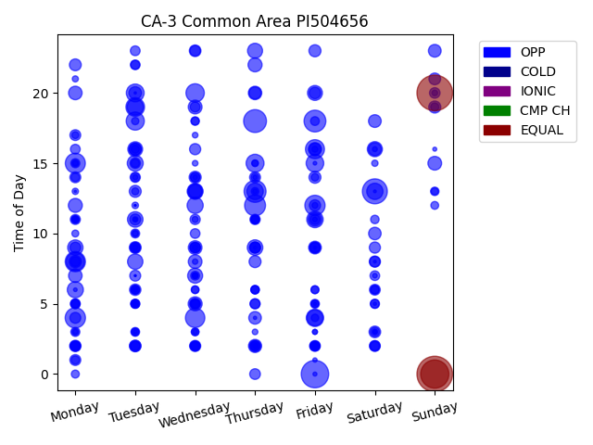
Chg Tim | Week Day | Time of Day | Profile | Charge Start
480 | Sunday | 20 | EQUAL | 2022-04-10 | Days Recorded
480 | Sunday | 0 | EQUAL | 2021-05-02 | 353.79236111
300 | Sunday | 0 | EQUAL | 2021-04-25
285 | Friday | 0 | OPP | 2021-05-07 | Equalizations
235 | Saturday | 13 | OPP | 2021-04-24 | 3
197 | Thursday | 18 | OPP | 2021-06-03
182 | Thursday | 13 | OPP | 2021-05-27 | EQs Per Week
179 | Friday | 18 | OPP | 2021-04-30
165 | Thursday | 12 | OPP | 2021-06-03
155 | Monday | 4 | OPP | 2021-04-26
154 | Monday | 8 | OPP | 2021-06-07
154 | Friday | 12 | OPP | 2021-05-14
151 | Monday | 15 | OPP | 2021-05-10
142 | Wednesday | 4 | OPP | 2021-05-19
136 | Friday | 16 | OPP | 2021-06-04
131 | Tuesday | 19 | OPP | 2021-05-04
127 | Wednesday | 20 | OPP | 2021-05-19
126 | Monday | 8 | OPP | 2021-05-10
124 | Tuesday | 18 | OPP | 2021-05-25
121 | Thursday | 15 | OPP | 2021-04-29
120 | Tuesday | 20 | OPP | 2021-05-11
117 | Friday | 15 | OPP | 2021-04-23
114 | Friday | 4 | OPP | 2021-04-30
102 | Thursday | 13 | OPP | 2021-05-13
102 | Friday | 11 | OPP | 2021-04-30
100 | Saturday | 13 | OPP | 2021-06-05
100 | Tuesday | 19 | OPP | 2021-06-01
98 | Wednesday | 12 | OPP | 2021-06-02
98 | Monday | 6 | OPP | 2021-05-10
96 | Tuesday | 15 | OPP | 2021-04-27
96 | Friday | 4 | OPP | 2021-04-23
95 | Wednesday | 13 | OPP | 2021-05-19
91 | Thursday | 9 | OPP | 2021-05-13
91 | Tuesday | 11 | OPP | 2021-05-18
89 | Tuesday | 8 | OPP | 2021-05-04
89 | Monday | 9 | OPP | 2021-05-03
86 | Saturday | 16 | OPP | 2021-05-15
85 | Wednesday | 13 | OPP | 2021-05-26
85 | Thursday | 23 | OPP | 2021-05-13
85 | Wednesday | 7 | OPP | 2021-05-19
84 | Friday | 20 | OPP | 2021-06-04
83 | Tuesday | 16 | OPP | 2021-05-18
74 | Wednesday | 5 | OPP | 2021-04-28
74 | Thursday | 22 | OPP | 2021-04-29
74 | Monday | 12 | OPP | 2021-05-17
72 | Wednesday | 19 | OPP | 2021-06-02
71 | Sunday | 15 | OPP | 2021-04-25
71 | Wednesday | 9 | OPP | 2021-06-02
71 | Wednesday | 8 | OPP | 2021-05-26
69 | Monday | 20 | OPP | 2021-05-10
69 | Monday | 7 | OPP | 2021-04-26
68 | Thursday | 20 | OPP | 2021-04-22
68 | Friday | 11 | OPP | 2021-06-04
66 | Wednesday | 13 | OPP | 2021-04-28
65 | Friday | 16 | OPP | 2021-04-30
65 | Thursday | 2 | OPP | 2021-05-20
63 | Saturday | 16 | OPP | 2021-05-22
61 | Saturday | 18 | OPP | 2021-05-08
61 | Friday | 9 | OPP | 2021-04-30
61 | Sunday | 23 | OPP | 2021-04-25
60 | Thursday | 4 | OPP | 2021-05-27
60 | Tuesday | 20 | OPP | 2021-05-25
59 | Saturday | 10 | OPP | 2021-04-24
55 | Monday | 8 | OPP | 2021-05-24
55 | Wednesday | 14 | OPP | 2021-06-02
55 | Thursday | 20 | OPP | 2021-04-29
55 | Tuesday | 16 | OPP | 2021-05-04
55 | Friday | 23 | OPP | 2021-04-23
55 | Sunday | 19 | OPP | 2022-04-10
55 | Tuesday | 16 | OPP | 2021-06-01
54 | Friday | 16 | OPP | 2021-05-07
54 | Thursday | 8 | OPP | 2021-05-20
54 | Tuesday | 13 | OPP | 2021-05-04
54 | Friday | 14 | OPP | 2021-04-23
53 | Tuesday | 9 | OPP | 2021-05-25
53 | Monday | 22 | OPP | 2021-05-10
52 | Sunday | 21 | OPP | 2021-04-25
51 | Tuesday | 2 | OPP | 2021-06-01
51 | Wednesday | 23 | OPP | 2021-05-05
51 | Saturday | 3 | OPP | 2021-04-24
50 | Friday | 20 | OPP | 2021-04-23
50 | Thursday | 2 | OPP | 2021-06-03
49 | Tuesday | 6 | OPP | 2021-05-18
49 | Monday | 2 | OPP | 2021-05-17
48 | Friday | 12 | OPP | 2021-05-21
47 | Saturday | 8 | OPP | 2021-06-05
47 | Wednesday | 2 | OPP | 2021-05-26
47 | Tuesday | 2 | OPP | 2021-05-11
47 | Wednesday | 16 | OPP | 2021-05-05
47 | Saturday | 9 | OPP | 2021-06-05
46 | Wednesday | 5 | OPP | 2021-05-05
45 | Thursday | 14 | OPP | 2021-05-06
45 | Monday | 14 | OPP | 2021-06-07
45 | Monday | 1 | OPP | 2021-05-03
45 | Tuesday | 11 | OPP | 2021-05-04
45 | Tuesday | 7 | OPP | 2021-05-04
45 | Monday | 4 | OPP | 2021-06-07
44 | Monday | 9 | OPP | 2021-05-17
44 | Saturday | 6 | OPP | 2021-04-24
44 | Friday | 2 | OPP | 2021-05-21
44 | Monday | 17 | OPP | 2021-05-03
44 | Saturday | 2 | OPP | 2021-05-22
44 | Thursday | 9 | OPP | 2021-05-27
44 | Thursday | 9 | OPP | 2021-04-29
43 | Wednesday | 9 | OPP | 2021-05-26
43 | Thursday | 0 | OPP | 2021-04-29
43 | Friday | 9 | OPP | 2021-05-28
43 | Friday | 9 | OPP | 2021-06-04
42 | Sunday | 20 | OPP | 2021-05-09
42 | Thursday | 9 | OPP | 2021-06-03
41 | Wednesday | 23 | OPP | 2021-05-05
41 | Saturday | 2 | OPP | 2021-06-05
41 | Monday | 2 | OPP | 2021-05-10
41 | Saturday | 8 | OPP | 2021-05-08
41 | Tuesday | 15 | OPP | 2021-05-04
40 | Tuesday | 9 | OPP | 2021-05-18
40 | Thursday | 11 | OPP | 2021-05-20
40 | Wednesday | 9 | OPP | 2021-06-02
39 | Wednesday | 11 | OPP | 2021-05-26
39 | Tuesday | 14 | OPP | 2021-05-25
38 | Thursday | 5 | OPP | 2021-05-06
38 | Thursday | 2 | OPP | 2021-05-06
38 | Monday | 11 | OPP | 2021-04-26
37 | Friday | 2 | OPP | 2021-04-23
37 | Wednesday | 9 | OPP | 2021-04-28
37 | Friday | 11 | OPP | 2021-05-07
37 | Monday | 2 | OPP | 2021-05-03
37 | Wednesday | 2 | OPP | 2021-04-28
37 | Wednesday | 19 | OPP | 2021-05-05
37 | Thursday | 5 | OPP | 2021-05-20
36 | Wednesday | 2 | OPP | 2021-06-02
36 | Friday | 2 | OPP | 2021-05-14
36 | Tuesday | 23 | OPP | 2021-04-27
36 | Monday | 16 | OPP | 2021-04-26
36 | Monday | 5 | OPP | 2021-05-10
35 | Tuesday | 22 | OPP | 2021-05-04
35 | Tuesday | 2 | OPP | 2021-05-04
35 | Wednesday | 10 | OPP | 2021-05-12
35 | Monday | 5 | OPP | 2021-05-17
35 | Saturday | 7 | OPP | 2021-06-05
35 | Tuesday | 9 | OPP | 2021-04-27
34 | Friday | 9 | OPP | 2021-05-21
34 | Wednesday | 5 | OPP | 2021-05-26
34 | Monday | 8 | OPP | 2021-05-03
33 | Wednesday | 14 | OPP | 2021-05-12
33 | Monday | 2 | OPP | 2021-05-24
33 | Tuesday | 9 | OPP | 2021-05-11
33 | Tuesday | 5 | OPP | 2021-05-11
33 | Wednesday | 14 | OPP | 2021-04-28
32 | Saturday | 3 | OPP | 2021-05-15
32 | Thursday | 2 | OPP | 2021-04-29
32 | Saturday | 5 | OPP | 2021-05-08
31 | Monday | 3 | OPP | 2021-04-26
31 | Saturday | 2 | OPP | 2021-04-24
31 | Monday | 15 | OPP | 2021-05-24
31 | Tuesday | 2 | OPP | 2021-04-27
30 | Wednesday | 5 | OPP | 2021-06-02
30 | Friday | 5 | OPP | 2021-05-21
30 | Tuesday | 6 | OPP | 2021-05-18
30 | Wednesday | 2 | OPP | 2021-05-19
30 | Tuesday | 10 | OPP | 2021-05-25
30 | Monday | 2 | OPP | 2021-04-26
30 | Tuesday | 22 | OPP | 2021-05-11
30 | Tuesday | 14 | OPP | 2021-05-04
29 | Wednesday | 7 | OPP | 2021-05-26
29 | Tuesday | 3 | OPP | 2021-06-01
29 | Saturday | 6 | OPP | 2021-05-22
29 | Friday | 18 | OPP | 2021-05-07
29 | Wednesday | 2 | OPP | 2021-05-05
29 | Wednesday | 5 | OPP | 2021-05-12
29 | Saturday | 5 | OPP | 2021-06-05
28 | Thursday | 6 | OPP | 2021-06-03
28 | Thursday | 11 | OPP | 2021-05-13
28 | Tuesday | 5 | OPP | 2021-05-25
27 | Thursday | 11 | OPP | 2021-04-29
27 | Monday | 5 | OPP | 2021-06-07
27 | Wednesday | 18 | OPP | 2021-05-05
27 | Sunday | 13 | OPP | 2021-05-02
27 | Saturday | 11 | OPP | 2021-05-08
27 | Monday | 14 | OPP | 2021-05-03
27 | Tuesday | 6 | OPP | 2021-04-27
27 | Tuesday | 6 | OPP | 2021-06-01
26 | Saturday | 6 | OPP | 2021-06-05
26 | Tuesday | 5 | OPP | 2021-06-01
26 | Tuesday | 15 | OPP | 2021-05-18
26 | Thursday | 6 | OPP | 2021-05-27
26 | Monday | 1 | OPP | 2021-05-10
25 | Friday | 2 | OPP | 2021-06-04
25 | Thursday | 11 | OPP | 2021-06-03
25 | Tuesday | 5 | OPP | 2021-05-04
25 | Sunday | 19 | OPP | 2021-04-25
24 | Monday | 0 | OPP | 2021-05-10
24 | Friday | 6 | OPP | 2021-05-21
24 | Thursday | 14 | OPP | 2021-04-29
24 | Tuesday | 16 | OPP | 2021-06-01
24 | Thursday | 6 | OPP | 2021-04-29
24 | Friday | 2 | OPP | 2021-05-28
24 | Monday | 11 | OPP | 2021-05-17
23 | Friday | 2 | OPP | 2021-04-30
23 | Wednesday | 6 | OPP | 2021-05-26
23 | Wednesday | 18 | OPP | 2021-04-28
23 | Sunday | 12 | OPP | 2021-05-02
23 | Friday | 6 | OPP | 2021-04-23
23 | Tuesday | 3 | OPP | 2021-05-11
22 | Thursday | 13 | OPP | 2021-05-06
22 | Wednesday | 3 | OPP | 2021-05-12
22 | Friday | 14 | OPP | 2021-05-07
22 | Friday | 5 | OPP | 2021-05-07
22 | Thursday | 11 | OPP | 2021-05-27
22 | Wednesday | 3 | OPP | 2021-05-26
21 | Monday | 5 | OPP | 2021-05-03
21 | Friday | 4 | OPP | 2021-05-21
21 | Wednesday | 6 | OPP | 2021-05-05
20 | Friday | 5 | OPP | 2021-04-23
20 | Tuesday | 18 | OPP | 2021-05-04
20 | Thursday | 2 | OPP | 2021-05-13
19 | Tuesday | 13 | OPP | 2021-05-18
19 | Sunday | 13 | OPP | 2021-04-25
19 | Monday | 3 | OPP | 2021-06-07
18 | Monday | 11 | OPP | 2021-05-24
18 | Tuesday | 3 | OPP | 2021-05-18
18 | Tuesday | 10 | OPP | 2021-06-01
18 | Monday | 15 | OPP | 2021-05-03
18 | Monday | 10 | OPP | 2021-04-26
18 | Monday | 17 | OPP | 2021-05-10
17 | Thursday | 15 | OPP | 2021-05-06
16 | Tuesday | 12 | OPP | 2021-05-04
16 | Monday | 11 | OPP | 2021-05-10
15 | Thursday | 15 | OPP | 2021-04-29
15 | Monday | 13 | OPP | 2021-04-26
15 | Monday | 11 | OPP | 2021-06-07
15 | Saturday | 15 | OPP | 2021-06-05
14 | Wednesday | 11 | OPP | 2021-06-02
14 | Monday | 21 | OPP | 2021-05-10
13 | Friday | 2 | OPP | 2021-04-30
13 | Wednesday | 7 | OPP | 2021-04-28
13 | Friday | 12 | OPP | 2021-06-04
13 | Friday | 16 | OPP | 2021-05-07
13 | Monday | 11 | OPP | 2021-05-03
12 | Sunday | 20 | OPP | 2021-05-09
12 | Wednesday | 17 | OPP | 2021-05-19
12 | Thursday | 3 | OPP | 2021-05-13
12 | Wednesday | 15 | OPP | 2021-05-19
12 | Wednesday | 9 | OPP | 2021-05-05
12 | Wednesday | 7 | OPP | 2021-05-05
12 | Saturday | 3 | OPP | 2021-05-15
11 | Wednesday | 7 | OPP | 2021-05-12
11 | Tuesday | 5 | OPP | 2021-05-11
11 | Tuesday | 11 | OPP | 2021-05-04
11 | Tuesday | 9 | OPP | 2021-04-27
11 | Tuesday | 10 | OPP | 2021-04-27
11 | Wednesday | 8 | OPP | 2021-05-12
10 | Wednesday | 7 | OPP | 2021-04-28
10 | Monday | 15 | OPP | 2022-04-11
10 | Monday | 11 | OPP | 2021-05-17
10 | Friday | 3 | OPP | 2021-05-21
10 | Tuesday | 14 | OPP | 2021-05-04
9 | Monday | 3 | OPP | 2021-06-07
9 | Tuesday | 6 | OPP | 2021-04-27
9 | Saturday | 16 | OPP | 2021-05-22
9 | Friday | 3 | OPP | 2021-04-23
9 | Wednesday | 3 | OPP | 2021-04-28
8 | Wednesday | 14 | OPP | 2021-05-19
8 | Thursday | 13 | OPP | 2021-05-06
8 | Friday | 11 | OPP | 2021-05-07
8 | Saturday | 7 | OPP | 2021-05-22
7 | Thursday | 14 | OPP | 2021-05-06
7 | Saturday | 3 | OPP | 2021-06-05
7 | Friday | 1 | OPP | 2021-04-30
6 | Tuesday | 6 | OPP | 2021-05-11
6 | Tuesday | 3 | OPP | 2021-05-25
6 | Sunday | 16 | OPP | 2021-05-16
6 | Thursday | 2 | OPP | 2021-04-29
6 | Thursday | 2 | OPP | 2021-04-29
6 | Friday | 0 | OPP | 2021-04-30
5 | Tuesday | 11 | OPP | 2022-03-22
5 | Tuesday | 5 | OPP | 2021-05-18
5 | Wednesday | 7 | OPP | 2021-05-12
5 | Monday | 6 | OPP | 2021-05-17
5 | Friday | 15 | OPP | 2021-04-23
4 | Friday | 9 | OPP | 2021-05-21
4 | Saturday | 5 | OPP | 2021-05-08
4 | Thursday | 9 | OPP | 2021-05-06
4 | Saturday | 3 | OPP | 2021-05-08
4 | Thursday | 4 | OPP | 2021-05-27
4 | Friday | 5 | OPP | 2021-05-07
3 | Saturday | 13 | OPP | 2021-04-24
3 | Monday | 11 | OPP | 2021-05-10
3 | Saturday | 8 | OPP | 2021-05-08
2 | Tuesday | 20 | OPP | 2021-10-12
2 | Monday | 13 | OPP | 2021-04-26
2 | Tuesday | 5 | OPP | 2021-05-04
1 | Tuesday | 12 | OPP | 2021-10-12
1 | Friday | 9 | OPP | 2021-06-18
1 | Tuesday | 5 | OPP | 2022-03-22
1 | Tuesday | 7 | OPP | 2022-03-22
1 | Tuesday | 7 | OPP | 2021-06-08
1 | Tuesday | 12 | OPP | 2022-03-22
1 | Tuesday | 12 | OPP | 2022-03-22
1 | Tuesday | 7 | OPP | 2021-06-08

CA-1
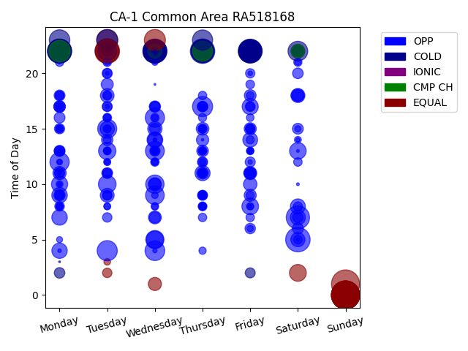
Chg Tim | Week Day | Time of Day | Profile | Charge Start
480 | Sunday | 0 | EQUAL | 2022-03-20 | Days Recorded
480 | Sunday | 0 | EQUAL | 2022-02-27 | 49.648611111
480 | Sunday | 1 | EQUAL | 2022-03-13
480 | Sunday | 0 | EQUAL | 2022-03-27 | Equalizations
480 | Sunday | 0 | EQUAL | 2022-03-06 | 16
480 | Sunday | 0 | EQUAL | 2022-04-03
480 | Sunday | 0 | EQUAL | 2022-04-10 | EQs Per Week
369 | Tuesday | 22 | EQUAL | 2022-03-15
364 | Saturday | 5 | OPP | 2022-04-09
363 | Thursday | 22 | COLD | 2022-03-24
355 | Monday | 22 | COLD | 2022-03-28
353 | Wednesday | 22 | COLD | 2022-03-16
347 | Monday | 22 | COLD | 2022-03-21
346 | Tuesday | 22 | COLD | 2022-03-08
344 | Friday | 22 | COLD | 2022-04-01
338 | Monday | 22 | COLD | 2022-03-07
335 | Friday | 22 | COLD | 2022-03-11
335 | Wednesday | 22 | COLD | 2022-03-30
333 | Wednesday | 22 | COLD | 2022-02-23
329 | Thursday | 22 | COLD | 2022-02-24
329 | Saturday | 7 | OPP | 2022-03-19
328 | Tuesday | 22 | EQUAL | 2022-04-12
324 | Friday | 22 | COLD | 2022-03-04
314 | Friday | 22 | COLD | 2022-02-25
310 | Wednesday | 22 | COLD | 2022-03-09
304 | Thursday | 22 | COLD | 2022-03-03
281 | Wednesday | 22 | COLD | 2022-03-02
280 | Monday | 22 | COLD | 2022-02-28
280 | Monday | 22 | CMP CH | 2022-04-11
279 | Monday | 22 | COLD | 2022-03-14
279 | Friday | 22 | COLD | 2022-03-25
271 | Wednesday | 23 | EQUAL | 2022-04-06
268 | Tuesday | 23 | EQUAL | 2022-03-01
268 | Tuesday | 23 | COLD | 2022-04-05
256 | Monday | 23 | COLD | 2022-04-04
248 | Thursday | 23 | COLD | 2022-04-07
246 | Tuesday | 4 | OPP | 2022-03-15
246 | Thursday | 17 | OPP | 2022-03-24
243 | Thursday | 22 | CMP CH | 2022-03-31
236 | Saturday | 22 | COLD | 2022-03-12
236 | Wednesday | 4 | OPP | 2022-03-23
228 | Thursday | 22 | COLD | 2022-03-10
225 | Monday | 12 | OPP | 2022-03-14
224 | Wednesday | 16 | OPP | 2022-04-06
221 | Tuesday | 15 | OPP | 2022-03-29
219 | Tuesday | 22 | COLD | 2022-03-22
215 | Wednesday | 13 | OPP | 2022-03-30
211 | Wednesday | 9 | OPP | 2022-04-06
204 | Wednesday | 10 | OPP | 2022-03-02
203 | Friday | 22 | COLD | 2022-03-18
200 | Wednesday | 5 | OPP | 2022-03-30
189 | Tuesday | 10 | OPP | 2022-04-12
182 | Tuesday | 13 | OPP | 2022-04-12
178 | Wednesday | 5 | OPP | 2022-03-16
172 | Saturday | 2 | EQUAL | 2022-03-26
168 | Friday | 8 | OPP | 2022-03-18
167 | Saturday | 13 | OPP | 2022-03-05
160 | Monday | 10 | OPP | 2022-02-28
157 | Friday | 17 | OPP | 2022-03-18
149 | Wednesday | 14 | OPP | 2022-03-23
147 | Monday | 9 | OPP | 2022-03-21
146 | Monday | 7 | OPP | 2022-03-21
143 | Monday | 4 | OPP | 2022-03-14
139 | Thursday | 11 | OPP | 2022-03-10
137 | Saturday | 7 | OPP | 2022-03-12
135 | Saturday | 8 | OPP | 2022-03-05
132 | Friday | 14 | OPP | 2022-04-08
129 | Wednesday | 14 | OPP | 2022-04-13
125 | Tuesday | 15 | OPP | 2022-03-15
124 | Wednesday | 15 | OPP | 2022-03-16
122 | Saturday | 5 | OPP | 2022-04-02
121 | Wednesday | 22 | CMP CH | 2022-03-23
121 | Saturday | 18 | OPP | 2022-03-19
117 | Tuesday | 9 | OPP | 2022-03-08
116 | Saturday | 22 | COLD | 2022-03-19
114 | Tuesday | 18 | OPP | 2022-03-15
110 | Friday | 10 | OPP | 2022-04-01
107 | Monday | 11 | OPP | 2022-04-11
106 | Saturday | 22 | CMP CH | 2022-04-02
105 | Wednesday | 1 | EQUAL | 2022-03-23
104 | Friday | 11 | OPP | 2022-02-25
102 | Wednesday | 10 | OPP | 2022-03-30
101 | Wednesday | 7 | OPP | 2022-03-09
100 | Saturday | 18 | OPP | 2022-04-09
97 | Thursday | 15 | OPP | 2022-03-31
92 | Thursday | 14 | OPP | 2022-03-17
91 | Saturday | 22 | COLD | 2022-03-05
89 | Friday | 15 | OPP | 2022-03-18
89 | Tuesday | 19 | OPP | 2022-03-01
89 | Friday | 9 | OPP | 2022-02-25
88 | Wednesday | 10 | OPP | 2022-04-13
85 | Friday | 11 | OPP | 2022-03-11
84 | Friday | 18 | OPP | 2022-04-08
83 | Monday | 17 | OPP | 2022-04-11
83 | Thursday | 11 | OPP | 2022-03-03
82 | Thursday | 13 | OPP | 2022-03-03
79 | Tuesday | 14 | OPP | 2022-03-22
79 | Friday | 11 | OPP | 2022-04-08
79 | Monday | 17 | OPP | 2022-04-04
79 | Saturday | 18 | OPP | 2022-03-05
78 | Wednesday | 17 | OPP | 2022-03-09
77 | Monday | 9 | OPP | 2022-04-04
75 | Wednesday | 7 | OPP | 2022-03-02
74 | Monday | 13 | OPP | 2022-04-04
74 | Saturday | 6 | OPP | 2022-03-26
72 | Saturday | 15 | OPP | 2022-03-12
72 | Monday | 16 | OPP | 2022-03-28
72 | Wednesday | 15 | OPP | 2022-03-09
72 | Monday | 18 | OPP | 2022-03-14
71 | Tuesday | 11 | OPP | 2022-03-15
70 | Friday | 11 | OPP | 2022-03-04
69 | Saturday | 20 | OPP | 2022-04-09
68 | Monday | 11 | OPP | 2022-04-04
68 | Monday | 2 | COLD | 2022-02-28
67 | Saturday | 22 | COLD | 2022-03-26
67 | Thursday | 17 | OPP | 2022-03-31
67 | Tuesday | 22 | COLD | 2022-03-01
66 | Friday | 6 | OPP | 2022-03-18
65 | Wednesday | 13 | OPP | 2022-03-16
64 | Thursday | 12 | OPP | 2022-03-24
63 | Saturday | 7 | OPP | 2022-04-02
63 | Monday | 15 | OPP | 2022-03-07
63 | Monday | 13 | OPP | 2022-03-07
63 | Wednesday | 17 | OPP | 2022-03-02
62 | Tuesday | 20 | OPP | 2022-03-01
62 | Friday | 12 | OPP | 2022-04-01
62 | Thursday | 9 | OPP | 2022-03-03
62 | Monday | 13 | OPP | 2022-04-11
61 | Friday | 2 | COLD | 2022-03-11
61 | Tuesday | 17 | OPP | 2022-03-08
60 | Thursday | 17 | OPP | 2022-02-24
60 | Friday | 17 | OPP | 2022-04-01
59 | Wednesday | 17 | OPP | 2022-02-23
58 | Tuesday | 11 | OPP | 2022-03-29
58 | Tuesday | 9 | OPP | 2022-03-01
58 | Monday | 9 | OPP | 2022-03-07
56 | Thursday | 17 | OPP | 2022-04-07
56 | Friday | 15 | OPP | 2022-03-11
56 | Thursday | 17 | OPP | 2022-03-17
56 | Monday | 8 | OPP | 2022-02-28
54 | Thursday | 11 | OPP | 2022-02-24
54 | Tuesday | 17 | OPP | 2022-04-05
54 | Tuesday | 2 | EQUAL | 2022-03-15
54 | Tuesday | 7 | OPP | 2022-03-01
54 | Monday | 17 | OPP | 2022-03-07
53 | Friday | 20 | OPP | 2022-03-04
53 | Tuesday | 18 | OPP | 2022-03-01
52 | Tuesday | 9 | OPP | 2022-04-05
51 | Thursday | 9 | OPP | 2022-03-17
51 | Tuesday | 20 | OPP | 2022-03-08
51 | Monday | 11 | OPP | 2022-03-28
51 | Wednesday | 13 | OPP | 2022-04-13
50 | Thursday | 17 | OPP | 2022-03-03
50 | Thursday | 11 | OPP | 2022-03-24
50 | Thursday | 12 | OPP | 2022-02-24
50 | Friday | 15 | OPP | 2022-03-04
50 | Thursday | 15 | OPP | 2022-03-03
49 | Saturday | 8 | OPP | 2022-04-02
48 | Friday | 15 | OPP | 2022-04-01
48 | Monday | 18 | OPP | 2022-03-28
48 | Thursday | 9 | OPP | 2022-04-07
48 | Thursday | 8 | OPP | 2022-03-03
48 | Thursday | 13 | OPP | 2022-04-07
47 | Thursday | 11 | OPP | 2022-03-31
46 | Tuesday | 16 | OPP | 2022-03-01
46 | Monday | 18 | OPP | 2022-02-28
46 | Saturday | 5 | OPP | 2022-03-12
45 | Tuesday | 11 | OPP | 2022-04-05
45 | Friday | 19 | OPP | 2022-03-04
45 | Friday | 17 | OPP | 2022-03-11
44 | Wednesday | 12 | OPP | 2022-03-09
44 | Tuesday | 21 | OPP | 2022-03-22
44 | Saturday | 12 | OPP | 2022-04-02
43 | Wednesday | 16 | OPP | 2022-03-02
43 | Monday | 15 | OPP | 2022-04-04
43 | Friday | 7 | OPP | 2022-03-11
43 | Thursday | 7 | OPP | 2022-03-10
43 | Thursday | 18 | OPP | 2022-03-10
42 | Thursday | 9 | OPP | 2022-03-24
42 | Monday | 21 | OPP | 2022-03-21
41 | Friday | 9 | OPP | 2022-04-01
41 | Monday | 9 | OPP | 2022-04-11
41 | Saturday | 21 | OPP | 2022-03-12
41 | Thursday | 16 | OPP | 2022-02-24
41 | Thursday | 15 | OPP | 2022-03-17
40 | Friday | 14 | OPP | 2022-03-11
40 | Tuesday | 18 | OPP | 2022-03-08
39 | Thursday | 9 | OPP | 2022-04-14
38 | Tuesday | 13 | OPP | 2022-03-22
37 | Tuesday | 15 | OPP | 2022-04-05
37 | Thursday | 15 | OPP | 2022-03-10
37 | Thursday | 8 | OPP | 2022-02-24
37 | Tuesday | 14 | OPP | 2022-03-29
37 | Tuesday | 16 | OPP | 2022-03-08
36 | Tuesday | 15 | OPP | 2022-03-01
36 | Friday | 18 | OPP | 2022-03-25
36 | Thursday | 8 | OPP | 2022-03-10
35 | Wednesday | 8 | OPP | 2022-04-13
35 | Friday | 11 | OPP | 2022-03-18
35 | Friday | 16 | OPP | 2022-02-25
35 | Friday | 13 | OPP | 2022-03-18
34 | Monday | 8 | OPP | 2022-03-07
33 | Thursday | 13 | OPP | 2022-03-31
33 | Tuesday | 13 | OPP | 2022-03-01
32 | Thursday | 4 | OPP | 2022-03-17
32 | Wednesday | 12 | OPP | 2022-04-13
31 | Wednesday | 22 | COLD | 2022-04-06
31 | Friday | 8 | OPP | 2022-03-11
30 | Tuesday | 8 | OPP | 2022-04-12
30 | Thursday | 11 | OPP | 2022-04-07
30 | Monday | 15 | OPP | 2022-03-21
30 | Monday | 8 | OPP | 2022-04-04
30 | Wednesday | 13 | OPP | 2022-03-23
30 | Thursday | 13 | OPP | 2022-04-07
29 | Wednesday | 13 | OPP | 2022-03-16
29 | Monday | 10 | OPP | 2022-04-04
29 | Saturday | 14 | OPP | 2022-03-12
29 | Tuesday | 12 | OPP | 2022-03-08
28 | Thursday | 8 | OPP | 2022-04-07
28 | Monday | 8 | OPP | 2022-04-11
28 | Tuesday | 12 | OPP | 2022-03-15
28 | Friday | 8 | OPP | 2022-04-01
28 | Thursday | 8 | OPP | 2022-03-31
27 | Tuesday | 3 | EQUAL | 2022-03-01
27 | Tuesday | 13 | OPP | 2022-03-15
27 | Friday | 13 | OPP | 2022-03-11
27 | Tuesday | 16 | OPP | 2022-04-05
26 | Monday | 13 | OPP | 2022-03-28
26 | Wednesday | 16 | OPP | 2022-04-13
26 | Thursday | 13 | OPP | 2022-03-31
26 | Wednesday | 9 | OPP | 2022-03-30
26 | Wednesday | 8 | OPP | 2022-04-06
25 | Tuesday | 8 | OPP | 2022-04-05
25 | Wednesday | 12 | OPP | 2022-03-30
25 | Friday | 13 | OPP | 2022-03-04
25 | Friday | 6 | OPP | 2022-04-08
25 | Thursday | 9 | OPP | 2022-03-31
25 | Thursday | 8 | OPP | 2022-03-24
24 | Thursday | 12 | OPP | 2022-03-17
24 | Tuesday | 21 | OPP | 2022-04-12
24 | Friday | 13 | OPP | 2022-03-25
24 | Tuesday | 13 | OPP | 2022-03-29
24 | Monday | 17 | OPP | 2022-03-21
24 | Wednesday | 21 | OPP | 2022-03-30
23 | Monday | 15 | OPP | 2022-03-28
23 | Thursday | 11 | OPP | 2022-03-17
23 | Saturday | 15 | OPP | 2022-04-02
23 | Saturday | 21 | OPP | 2022-04-02
22 | Monday | 5 | OPP | 2022-03-28
22 | Friday | 13 | OPP | 2022-02-25
21 | Monday | 12 | OPP | 2022-03-28
19 | Friday | 13 | OPP | 2022-04-08
18 | Thursday | 11 | OPP | 2022-04-07
17 | Tuesday | 13 | OPP | 2022-04-05
17 | Thursday | 13 | OPP | 2022-03-10
17 | Thursday | 15 | OPP | 2022-02-24
15 | Friday | 22 | COLD | 2022-02-25
14 | Monday | 10 | OPP | 2022-02-28
14 | Monday | 12 | OPP | 2022-04-04
13 | Tuesday | 13 | OPP | 2022-03-29
13 | Friday | 20 | OPP | 2022-04-08
12 | Tuesday | 17 | OPP | 2022-04-05
12 | Friday | 12 | OPP | 2022-03-04
11 | Tuesday | 13 | OPP | 2022-03-08
11 | Wednesday | 4 | OPP | 2022-03-16
10 | Tuesday | 12 | OPP | 2022-03-08
10 | Saturday | 14 | OPP | 2022-03-19
10 | Wednesday | 13 | OPP | 2022-03-23
9 | Tuesday | 20 | OPP | 2022-03-29
9 | Tuesday | 22 | EQUAL | 2022-03-15
9 | Monday | 11 | OPP | 2022-03-14
9 | Monday | 13 | OPP | 2022-04-11
8 | Wednesday | 13 | OPP | 2022-04-06
8 | Monday | 4 | OPP | 2022-03-14
8 | Wednesday | 14 | OPP | 2022-04-06
7 | Wednesday | 14 | OPP | 2022-03-09
7 | Tuesday | 13 | OPP | 2022-03-22
7 | Wednesday | 21 | OPP | 2022-03-16
7 | Friday | 8 | OPP | 2022-03-11
7 | Wednesday | 13 | OPP | 2022-04-06
7 | Monday | 13 | OPP | 2022-03-28
6 | Tuesday | 22 | COLD | 2022-03-15
6 | Wednesday | 22 | COLD | 2022-04-06
6 | Friday | 13 | OPP | 2022-04-08
6 | Tuesday | 22 | COLD | 2022-04-12
6 | Friday | 22 | COLD | 2022-04-08
5 | Wednesday | 13 | OPP | 2022-03-16
5 | Wednesday | 22 | COLD | 2022-04-13
5 | Saturday | 13 | OPP | 2022-03-12
5 | Monday | 21 | OPP | 2022-04-11
5 | Saturday | 10 | OPP | 2022-03-26
5 | Tuesday | 13 | OPP | 2022-04-05
4 | Thursday | 14 | OPP | 2022-02-24
4 | Tuesday | 22 | COLD | 2022-03-15
4 | Saturday | 5 | OPP | 2022-03-12
4 | Monday | 21 | OPP | 2022-03-14
3 | Tuesday | 15 | OPP | 2022-04-05
2 | Monday | 3 | COLD | 2022-03-28
2 | Wednesday | 19 | OPP | 2022-03-16
2 | Monday | 10 | OPP | 2022-04-04

OR-1
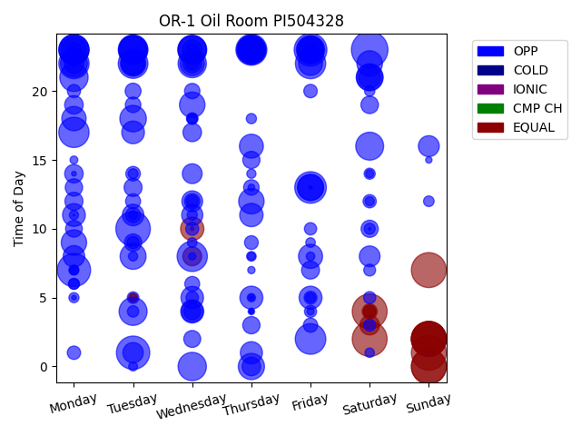
Chg Tim | Week Day | Time of Day | Profile | Charge Start
525 | Saturday | 23 | OPP | 2022-04-02 | Days Recorded
479 | Sunday | 2 | EQUAL | 2022-01-16 | 104.90833333
479 | Saturday | 4 | EQUAL | 2022-01-29
479 | Sunday | 0 | EQUAL | 2022-04-17 | Equalizations
479 | Sunday | 7 | EQUAL | 2022-04-03 | 17
479 | Sunday | 1 | EQUAL | 2022-03-20
479 | Saturday | 2 | EQUAL | 2022-02-26 | EQs Per Week
479 | Sunday | 2 | EQUAL | 2022-02-20
479 | Sunday | 2 | EQUAL | 2022-02-13
479 | Sunday | 2 | EQUAL | 2022-02-06
479 | Sunday | 0 | EQUAL | 2022-05-01
468 | Tuesday | 10 | OPP | 2022-03-29
437 | Tuesday | 1 | OPP | 2022-04-19
435 | Monday | 7 | OPP | 2022-04-25
421 | Friday | 23 | OPP | 2022-04-29
392 | Friday | 13 | OPP | 2022-04-01
378 | Thursday | 23 | OPP | 2022-02-03
368 | Friday | 2 | OPP | 2022-04-08
361 | Friday | 22 | OPP | 2022-01-28
360 | Monday | 17 | OPP | 2022-02-21
360 | Wednesday | 8 | OPP | 2022-04-20
360 | Monday | 23 | OPP | 2022-01-24
360 | Monday | 22 | OPP | 2022-01-31
352 | Monday | 23 | OPP | 2022-02-14
346 | Tuesday | 22 | OPP | 2022-02-08
345 | Monday | 23 | OPP | 2022-01-17
345 | Tuesday | 23 | OPP | 2022-03-29
336 | Thursday | 23 | OPP | 2022-04-28
331 | Tuesday | 23 | OPP | 2022-02-15
330 | Wednesday | 23 | OPP | 2022-01-26
316 | Friday | 23 | OPP | 2022-02-11
316 | Wednesday | 23 | OPP | 2022-02-23
316 | Thursday | 23 | OPP | 2022-01-27
315 | Wednesday | 22 | OPP | 2022-02-09
315 | Wednesday | 0 | OPP | 2022-02-02
315 | Monday | 21 | OPP | 2022-02-07
308 | Tuesday | 4 | OPP | 2022-03-29
306 | Saturday | 16 | OPP | 2022-04-02
300 | Tuesday | 23 | OPP | 2022-02-22
300 | Wednesday | 23 | OPP | 2022-01-19
285 | Monday | 22 | OPP | 2022-02-28
285 | Friday | 23 | OPP | 2022-01-21
285 | Saturday | 21 | OPP | 2022-02-19
285 | Thursday | 23 | OPP | 2022-01-20
285 | Tuesday | 23 | OPP | 2022-01-25
276 | Tuesday | 18 | OPP | 2022-04-19
270 | Friday | 13 | OPP | 2022-03-25
270 | Saturday | 21 | OPP | 2022-02-05
270 | Thursday | 0 | OPP | 2022-02-03
265 | Tuesday | 8 | OPP | 2022-04-26
258 | Friday | 13 | OPP | 2022-04-29
256 | Friday | 23 | OPP | 2022-02-04
256 | Saturday | 22 | OPP | 2022-02-12
256 | Monday | 23 | OPP | 2022-04-11
256 | Wednesday | 19 | OPP | 2022-02-16
255 | Tuesday | 22 | OPP | 2022-01-18
255 | Thursday | 23 | OPP | 2022-02-10
254 | Thursday | 12 | OPP | 2022-03-24
254 | Monday | 9 | OPP | 2022-03-21
241 | Thursday | 23 | OPP | 2022-02-24
240 | Friday | 23 | OPP | 2022-02-18
233 | Monday | 18 | OPP | 2022-04-18
231 | Wednesday | 22 | OPP | 2022-04-13
228 | Friday | 8 | OPP | 2022-04-08
225 | Friday | 22 | OPP | 2022-02-25
225 | Thursday | 16 | OPP | 2022-04-14
224 | Tuesday | 22 | OPP | 2022-04-12
214 | Wednesday | 10 | EQUAL | 2022-02-02
214 | Thursday | 11 | OPP | 2022-03-31
209 | Wednesday | 4 | OPP | 2022-04-06
207 | Thursday | 5 | OPP | 2022-04-14
206 | Friday | 5 | OPP | 2022-02-18
204 | Monday | 11 | OPP | 2022-03-28
202 | Tuesday | 17 | OPP | 2022-04-05
199 | Wednesday | 5 | OPP | 2022-04-13
195 | Tuesday | 22 | OPP | 2022-04-05
192 | Thursday | 1 | OPP | 2022-04-28
187 | Saturday | 21 | OPP | 2022-04-16
185 | Wednesday | 4 | OPP | 2022-04-20
182 | Tuesday | 11 | OPP | 2022-02-22
182 | Monday | 8 | OPP | 2022-04-18
176 | Wednesday | 11 | OPP | 2022-04-13
172 | Sunday | 16 | OPP | 2022-01-23
170 | Wednesday | 12 | OPP | 2022-03-23
169 | Saturday | 8 | OPP | 2022-04-02
164 | Tuesday | 1 | OPP | 2022-03-22
154 | Wednesday | 14 | OPP | 2022-03-30
153 | Wednesday | 23 | OPP | 2022-04-06
153 | Monday | 22 | OPP | 2022-04-25
149 | Saturday | 3 | EQUAL | 2022-02-19
140 | Wednesday | 8 | EQUAL | 2022-02-02
135 | Wednesday | 17 | OPP | 2022-03-30
135 | Thursday | 0 | OPP | 2022-04-21
135 | Monday | 19 | OPP | 2022-04-11
134 | Wednesday | 22 | OPP | 2022-03-23
134 | Monday | 14 | OPP | 2022-03-28
128 | Monday | 12 | OPP | 2022-04-04
127 | Tuesday | 13 | OPP | 2022-04-05
126 | Friday | 7 | OPP | 2022-04-22
121 | Saturday | 19 | OPP | 2022-04-30
119 | Monday | 13 | OPP | 2022-04-11
119 | Thursday | 23 | OPP | 2022-04-07
118 | Tuesday | 9 | OPP | 2022-04-12
118 | Thursday | 3 | OPP | 2022-04-07
117 | Thursday | 15 | OPP | 2022-04-07
116 | Saturday | 10 | OPP | 2022-03-19
113 | Wednesday | 2 | OPP | 2022-04-06
111 | Thursday | 23 | OPP | 2022-03-31
110 | Wednesday | 4 | OPP | 2022-04-27
110 | Monday | 10 | OPP | 2022-02-21
99 | Tuesday | 20 | OPP | 2022-01-25
95 | Thursday | 13 | OPP | 2022-02-24
95 | Tuesday | 19 | OPP | 2022-04-12
94 | Wednesday | 12 | OPP | 2022-04-06
93 | Wednesday | 20 | OPP | 2022-03-30
89 | Friday | 23 | OPP | 2022-04-15
89 | Saturday | 4 | EQUAL | 2022-02-05
88 | Tuesday | 11 | OPP | 2022-04-05
88 | Tuesday | 12 | OPP | 2022-04-12
87 | Wednesday | 6 | OPP | 2022-02-02
84 | Monday | 23 | OPP | 2022-03-28
83 | Tuesday | 14 | OPP | 2022-04-12
80 | Friday | 3 | OPP | 2022-02-18
74 | Thursday | 9 | OPP | 2022-03-24
71 | Friday | 20 | OPP | 2022-03-25
70 | Monday | 1 | OPP | 2022-03-21
69 | Saturday | 12 | OPP | 2022-02-19
69 | Wednesday | 22 | OPP | 2022-04-20
68 | Monday | 20 | OPP | 2022-03-21
67 | Wednesday | 10 | OPP | 2022-03-02
65 | Friday | 5 | OPP | 2022-03-25
64 | Wednesday | 23 | OPP | 2022-04-27
61 | Wednesday | 5 | OPP | 2022-03-30
59 | Friday | 10 | OPP | 2022-02-25
59 | Saturday | 4 | EQUAL | 2022-02-12
59 | Saturday | 4 | EQUAL | 2022-01-22
59 | Tuesday | 9 | OPP | 2022-04-19
58 | Saturday | 5 | OPP | 2022-04-16
58 | Friday | 4 | OPP | 2022-04-01
56 | Wednesday | 12 | OPP | 2022-03-30
55 | Saturday | 7 | OPP | 2022-04-30
55 | Saturday | 3 | OPP | 2022-04-16
53 | Wednesday | 18 | OPP | 2022-04-20
53 | Tuesday | 5 | OPP | 2022-02-22
51 | Tuesday | 4 | OPP | 2022-04-05
48 | Saturday | 14 | OPP | 2022-04-02
48 | Saturday | 10 | OPP | 2022-03-26
48 | Monday | 6 | OPP | 2022-03-28
44 | Sunday | 12 | OPP | 2022-03-20
44 | Monday | 6 | OPP | 2022-04-18
42 | Wednesday | 18 | OPP | 2022-04-13
42 | Saturday | 20 | OPP | 2022-03-19
41 | Wednesday | 11 | OPP | 2022-03-30
41 | Thursday | 18 | OPP | 2022-03-31
40 | Monday | 5 | OPP | 2022-01-31
40 | Monday | 7 | OPP | 2022-02-21
39 | Tuesday | 14 | OPP | 2022-04-26
38 | Wednesday | 18 | OPP | 2022-04-27
36 | Friday | 9 | OPP | 2022-04-15
36 | Wednesday | 9 | OPP | 2022-03-30
36 | Thursday | 8 | OPP | 2022-03-31
36 | Friday | 5 | OPP | 2022-04-15
35 | Saturday | 1 | OPP | 2022-04-16
34 | Tuesday | 8 | OPP | 2022-04-12
33 | Thursday | 14 | OPP | 2022-04-14
33 | Saturday | 12 | OPP | 2022-03-19
33 | Monday | 11 | OPP | 2022-04-04
33 | Monday | 7 | OPP | 2022-02-28
31 | Tuesday | 0 | OPP | 2022-04-19
31 | Monday | 7 | OPP | 2022-02-07
29 | Tuesday | 5 | EQUAL | 2022-03-01
29 | Friday | 8 | OPP | 2022-04-29
29 | Tuesday | 11 | OPP | 2022-04-12
28 | Tuesday | 5 | OPP | 2022-02-22
27 | Thursday | 5 | OPP | 2022-03-24
25 | Thursday | 8 | OPP | 2022-03-24
25 | Saturday | 14 | OPP | 2022-03-19
24 | Monday | 15 | OPP | 2022-02-21
21 | Thursday | 7 | OPP | 2022-03-31
21 | Wednesday | 8 | OPP | 2022-03-30
21 | Friday | 4 | OPP | 2022-04-22
18 | Thursday | 13 | OPP | 2022-04-14
18 | Sunday | 1 | OPP | 2022-03-20
17 | Thursday | 4 | OPP | 2022-03-24
16 | Thursday | 5 | OPP | 2022-04-14
16 | Sunday | 15 | OPP | 2022-01-23
12 | Monday | 22 | OPP | 2022-04-11
10 | Thursday | 4 | OPP | 2022-03-31
9 | Monday | 5 | OPP | 2022-03-28
9 | Monday | 14 | OPP | 2022-03-28
6 | Thursday | 4 | OPP | 2022-04-21
5 | Wednesday | 10 | OPP | 2022-02-02
4 | Friday | 13 | OPP | 2022-04-08
3 | Friday | 13 | OPP | 2022-04-15
3 | Tuesday | 22 | OPP | 2022-04-26
2 | Thursday | 5 | OPP | 2022-04-28
2 | Saturday | 10 | OPP | 2022-04-30
1 | Monday | 7 | OPP | 2022-03-28
1 | Monday | 11 | OPP | 2022-04-11
0 | Monday | 22 | OPP | 2022-04-04

RPR1
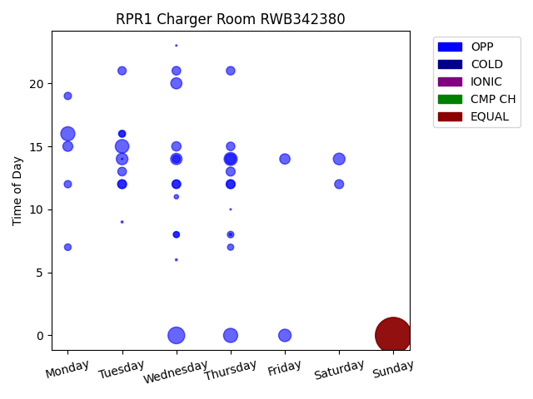
Chg Tim | Week Day | Time of Day | Profile | Charge Start
599 | Sunday | 0 | EQUAL | 2022-04-03 | Days Recorded
599 | Sunday | 0 | EQUAL | 2022-04-10 | 58.100694444
599 | Sunday | 0 | EQUAL | 2022-03-20
130 | Wednesday | 0 | OPP | 2022-03-16 | Equalizations
94 | Thursday | 0 | OPP | 2022-03-17 | 3
93 | Monday | 16 | OPP | 2022-04-11
87 | Tuesday | 15 | OPP | 2022-04-12 | EQs Per Week
80 | Thursday | 14 | OPP | 2022-04-07
73 | Friday | 0 | OPP | 2022-03-18
64 | Saturday | 14 | OPP | 2022-04-09
63 | Tuesday | 14 | OPP | 2022-04-05
60 | Wednesday | 14 | OPP | 2022-04-06
58 | Wednesday | 20 | OPP | 2022-03-23
51 | Thursday | 14 | OPP | 2022-03-31
50 | Friday | 14 | OPP | 2022-04-01
47 | Monday | 15 | OPP | 2022-04-04
41 | Wednesday | 15 | OPP | 2022-04-13
38 | Thursday | 13 | OPP | 2022-03-24
38 | Saturday | 12 | OPP | 2022-04-09
38 | Tuesday | 12 | OPP | 2022-04-12
37 | Thursday | 12 | OPP | 2022-04-14
36 | Thursday | 12 | OPP | 2022-04-07
36 | Wednesday | 12 | OPP | 2022-04-06
35 | Tuesday | 12 | OPP | 2022-04-05
35 | Tuesday | 13 | OPP | 2022-03-22
35 | Wednesday | 21 | OPP | 2022-03-16
34 | Thursday | 21 | OPP | 2022-03-17
34 | Thursday | 15 | OPP | 2022-03-24
33 | Wednesday | 12 | OPP | 2022-04-13
32 | Tuesday | 21 | OPP | 2022-03-15
28 | Wednesday | 14 | OPP | 2022-04-13
25 | Monday | 19 | OPP | 2022-03-28
25 | Monday | 12 | OPP | 2022-04-11
24 | Tuesday | 16 | OPP | 2022-03-15
21 | Monday | 7 | OPP | 2022-04-11
20 | Thursday | 8 | OPP | 2022-04-07
18 | Tuesday | 16 | OPP | 2022-03-22
18 | Thursday | 7 | OPP | 2022-04-14
18 | Wednesday | 8 | OPP | 2022-04-13
16 | Wednesday | 8 | OPP | 2022-04-06
9 | Wednesday | 11 | OPP | 2022-03-16
3 | Thursday | 8 | OPP | 2022-03-17
2 | Tuesday | 9 | OPP | 2022-02-15
2 | Wednesday | 6 | OPP | 2022-04-13
1 | Thursday | 10 | OPP | 2022-03-24
1 | Wednesday | 23 | OPP | 2022-03-30
1 | Tuesday | 14 | OPP | 2022-04-05

RPR2
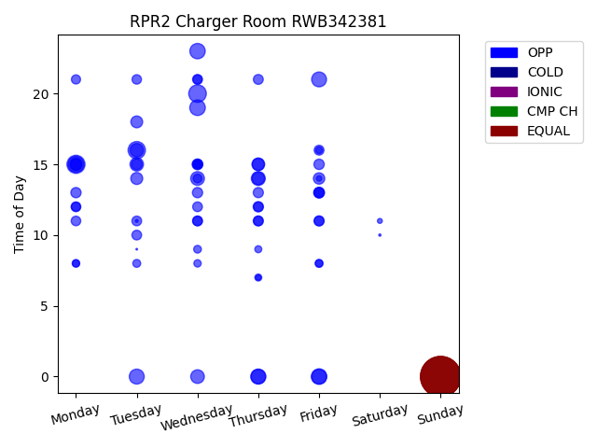
Chg Tim | Week Day | Time of Day | Profile | Charge Start
599 | Sunday | 0 | EQUAL | 2022-03-27 | Days Recorded
599 | Sunday | 0 | EQUAL | 2022-04-10 | 57.9
599 | Sunday | 0 | EQUAL | 2022-03-20
599 | Sunday | 0 | EQUAL | 2022-04-03 | Equalizations
122 | Monday | 15 | OPP | 2022-04-11 | 4
115 | Wednesday | 20 | OPP | 2022-04-06
112 | Tuesday | 16 | OPP | 2022-03-29 | EQs Per Week
95 | Monday | 15 | OPP | 2022-04-04
90 | Wednesday | 19 | OPP | 2022-04-13
89 | Friday | 0 | OPP | 2022-03-25
88 | Wednesday | 23 | OPP | 2022-03-30
84 | Thursday | 0 | OPP | 2022-03-17
83 | Tuesday | 0 | OPP | 2022-03-22
82 | Friday | 21 | OPP | 2022-03-18
82 | Friday | 0 | OPP | 2022-03-18
79 | Thursday | 0 | OPP | 2022-03-24
72 | Thursday | 14 | OPP | 2022-03-31
70 | Wednesday | 14 | OPP | 2022-03-30
69 | Wednesday | 0 | OPP | 2022-03-23
68 | Tuesday | 15 | OPP | 2022-04-12
67 | Tuesday | 16 | OPP | 2022-03-15
59 | Thursday | 15 | OPP | 2022-03-24
58 | Thursday | 14 | OPP | 2022-04-07
55 | Thursday | 15 | OPP | 2022-03-17
55 | Monday | 15 | OPP | 2022-03-28
53 | Tuesday | 14 | OPP | 2022-04-05
52 | Tuesday | 18 | OPP | 2022-03-15
48 | Friday | 14 | OPP | 2022-04-08
45 | Monday | 15 | OPP | 2022-03-21
44 | Friday | 13 | OPP | 2022-03-18
43 | Tuesday | 15 | OPP | 2022-03-22
42 | Wednesday | 15 | OPP | 2022-03-16
40 | Friday | 15 | OPP | 2022-03-25
39 | Wednesday | 13 | OPP | 2022-03-16
39 | Wednesday | 15 | OPP | 2022-03-23
39 | Monday | 13 | OPP | 2022-03-21
39 | Thursday | 12 | OPP | 2022-04-07
38 | Friday | 13 | OPP | 2022-03-25
38 | Friday | 11 | OPP | 2022-03-18
38 | Thursday | 13 | OPP | 2022-03-17
37 | Friday | 13 | OPP | 2022-03-18
37 | Thursday | 11 | OPP | 2022-03-17
36 | Wednesday | 21 | OPP | 2022-03-16
36 | Friday | 16 | OPP | 2022-04-08
36 | Thursday | 21 | OPP | 2022-03-17
35 | Wednesday | 11 | OPP | 2022-04-13
35 | Wednesday | 11 | OPP | 2022-04-06
35 | Tuesday | 10 | OPP | 2022-04-05
35 | Tuesday | 11 | OPP | 2022-04-12
35 | Wednesday | 12 | OPP | 2022-03-30
34 | Monday | 11 | OPP | 2022-04-04
34 | Thursday | 12 | OPP | 2022-03-31
34 | Friday | 11 | OPP | 2022-04-08
34 | Thursday | 11 | OPP | 2022-03-31
33 | Tuesday | 21 | OPP | 2022-03-22
33 | Monday | 12 | OPP | 2022-03-21
33 | Monday | 12 | OPP | 2022-03-28
32 | Wednesday | 15 | OPP | 2022-04-06
31 | Monday | 21 | OPP | 2022-03-21
30 | Wednesday | 21 | OPP | 2022-03-23
29 | Wednesday | 14 | OPP | 2022-04-13
23 | Tuesday | 8 | OPP | 2022-03-29
22 | Friday | 8 | OPP | 2022-03-25
22 | Wednesday | 15 | OPP | 2022-04-13
22 | Wednesday | 9 | OPP | 2022-03-16
22 | Friday | 8 | OPP | 2022-03-18
21 | Monday | 8 | OPP | 2022-03-21
20 | Wednesday | 8 | OPP | 2022-03-23
19 | Monday | 8 | OPP | 2022-03-28
18 | Thursday | 7 | OPP | 2022-03-31
18 | Thursday | 9 | OPP | 2022-03-17
17 | Friday | 16 | OPP | 2022-03-25
11 | Thursday | 7 | OPP | 2022-04-14
11 | Friday | 14 | OPP | 2022-04-01
9 | Saturday | 11 | OPP | 2022-04-09
3 | Tuesday | 11 | OPP | 2022-03-29
2 | Saturday | 10 | OPP | 2022-04-02
1 | Tuesday | 9 | OPP | 2022-02-15

RPR4
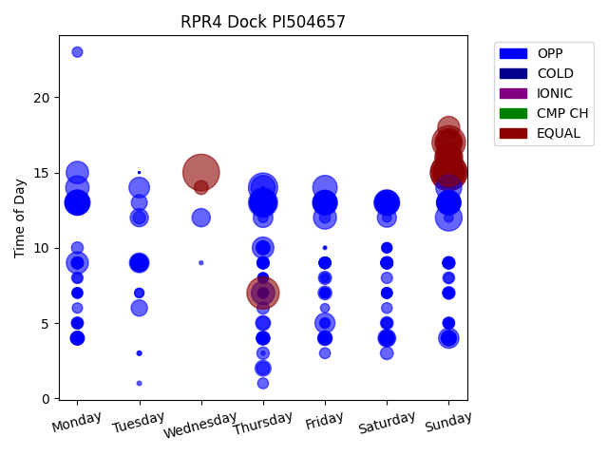
Chg Tim | Week Day | Time of Day | Profile | Charge Start
480 | Sunday | 15 | EQUAL | 2021-12-19 | Days Recorded
480 | Wednesday | 15 | EQUAL | 2022-04-13 | 118.71111111
480 | Sunday | 15 | EQUAL | 2021-12-26
403 | Sunday | 17 | EQUAL | 2022-03-06 | Equalizations
375 | Thursday | 7 | EQUAL | 2022-04-14 | 16
374 | Sunday | 15 | EQUAL | 2022-01-09
348 | Sunday | 15 | EQUAL | 2022-01-16 | EQs Per Week
307 | Thursday | 14 | OPP | 2021-12-16
303 | Thursday | 13 | OPP | 2022-03-03
282 | Sunday | 16 | EQUAL | 2022-02-27
281 | Sunday | 15 | EQUAL | 2022-01-30
278 | Sunday | 17 | EQUAL | 2022-01-02
255 | Sunday | 12 | OPP | 2022-02-27
251 | Thursday | 13 | OPP | 2022-02-10
248 | Thursday | 13 | OPP | 2021-12-30
247 | Thursday | 13 | OPP | 2022-02-24
246 | Thursday | 13 | OPP | 2022-01-27
238 | Sunday | 14 | OPP | 2022-01-23
234 | Saturday | 13 | OPP | 2022-01-22
234 | Sunday | 16 | EQUAL | 2022-02-06
230 | Monday | 13 | OPP | 2022-01-03
222 | Friday | 13 | OPP | 2021-12-17
222 | Monday | 13 | OPP | 2022-02-21
217 | Sunday | 17 | EQUAL | 2022-02-13
216 | Saturday | 13 | OPP | 2022-02-19
214 | Sunday | 13 | OPP | 2022-03-13
213 | Friday | 14 | OPP | 2021-12-24
210 | Monday | 13 | OPP | 2022-02-07
208 | Thursday | 14 | OPP | 2022-02-17
208 | Saturday | 13 | OPP | 2022-01-01
207 | Sunday | 16 | EQUAL | 2022-02-20
206 | Friday | 13 | OPP | 2022-01-07
205 | Sunday | 17 | EQUAL | 2022-03-13
205 | Thursday | 13 | OPP | 2022-01-13
201 | Sunday | 13 | OPP | 2022-01-02
199 | Sunday | 13 | OPP | 2022-03-06
197 | Sunday | 13 | OPP | 2022-02-13
196 | Friday | 13 | OPP | 2022-02-04
195 | Monday | 14 | OPP | 2022-01-24
195 | Thursday | 7 | OPP | 2022-04-07
193 | Thursday | 13 | OPP | 2022-01-20
192 | Friday | 13 | OPP | 2022-02-11
189 | Friday | 12 | OPP | 2022-03-11
182 | Monday | 13 | OPP | 2022-02-14
178 | Monday | 15 | OPP | 2022-03-14
175 | Thursday | 13 | OPP | 2022-04-07
174 | Thursday | 13 | OPP | 2022-03-17
173 | Monday | 9 | OPP | 2022-02-28
173 | Sunday | 18 | EQUAL | 2022-01-23
173 | Sunday | 13 | OPP | 2022-02-20
167 | Thursday | 10 | OPP | 2022-04-07
163 | Thursday | 13 | OPP | 2022-02-03
160 | Monday | 13 | OPP | 2022-03-07
157 | Friday | 13 | OPP | 2022-03-04
155 | Saturday | 13 | OPP | 2022-01-29
155 | Friday | 13 | OPP | 2021-12-31
152 | Sunday | 13 | OPP | 2022-01-16
151 | Saturday | 13 | OPP | 2022-02-12
151 | Tuesday | 14 | OPP | 2022-01-04
149 | Thursday | 13 | OPP | 2022-01-06
148 | Sunday | 4 | OPP | 2022-02-27
147 | Monday | 13 | OPP | 2022-01-17
145 | Saturday | 13 | OPP | 2021-12-18
144 | Saturday | 13 | OPP | 2022-02-05
144 | Friday | 5 | OPP | 2022-02-25
138 | Thursday | 12 | OPP | 2022-03-10
138 | Tuesday | 9 | OPP | 2022-01-11
134 | Sunday | 13 | OPP | 2022-02-06
133 | Saturday | 13 | OPP | 2022-01-08
132 | Saturday | 13 | OPP | 2022-01-15
130 | Saturday | 12 | OPP | 2022-03-12
130 | Monday | 13 | OPP | 2022-01-31
129 | Sunday | 13 | OPP | 2021-12-19
120 | Wednesday | 12 | OPP | 2022-04-13
119 | Friday | 13 | OPP | 2022-01-21
118 | Tuesday | 12 | OPP | 2022-03-15
118 | Friday | 13 | OPP | 2022-02-18
116 | Monday | 13 | OPP | 2022-01-10
112 | Saturday | 4 | OPP | 2022-02-26
110 | Tuesday | 9 | OPP | 2022-02-01
109 | Saturday | 13 | OPP | 2022-03-05
108 | Tuesday | 9 | OPP | 2022-03-08
104 | Sunday | 13 | OPP | 2022-01-30
103 | Friday | 13 | OPP | 2022-01-28
102 | Tuesday | 9 | OPP | 2022-02-15
100 | Tuesday | 9 | OPP | 2022-02-08
95 | Tuesday | 6 | OPP | 2022-01-25
94 | Sunday | 13 | OPP | 2021-12-26
92 | Friday | 13 | OPP | 2022-01-14
91 | Tuesday | 13 | OPP | 2022-01-18
90 | Thursday | 2 | OPP | 2022-02-03
90 | Saturday | 4 | OPP | 2022-01-22
84 | Sunday | 4 | OPP | 2022-01-09
80 | Thursday | 5 | OPP | 2022-04-14
79 | Sunday | 4 | OPP | 2022-01-02
77 | Saturday | 4 | OPP | 2022-02-12
76 | Friday | 4 | OPP | 2022-02-18
76 | Sunday | 13 | OPP | 2022-01-09
72 | Thursday | 10 | OPP | 2022-01-06
72 | Sunday | 4 | OPP | 2022-01-30
69 | Wednesday | 14 | EQUAL | 2022-04-13
68 | Friday | 4 | OPP | 2022-01-14
68 | Monday | 4 | OPP | 2022-01-10
67 | Friday | 7 | OPP | 2022-01-14
67 | Monday | 4 | OPP | 2022-01-17
66 | Saturday | 4 | OPP | 2022-02-05
65 | Thursday | 10 | OPP | 2022-03-17
65 | Sunday | 4 | OPP | 2022-03-13
63 | Thursday | 4 | OPP | 2022-01-13
63 | Thursday | 4 | OPP | 2022-02-24
61 | Friday | 8 | OPP | 2022-01-07
61 | Monday | 4 | OPP | 2022-01-31
60 | Thursday | 4 | OPP | 2022-03-17
60 | Thursday | 5 | OPP | 2022-02-10
59 | Saturday | 4 | OPP | 2022-03-05
59 | Saturday | 3 | OPP | 2022-03-12
59 | Friday | 4 | OPP | 2022-02-04
58 | Saturday | 5 | OPP | 2022-01-08
58 | Thursday | 4 | OPP | 2022-02-17
57 | Saturday | 4 | OPP | 2022-01-15
57 | Thursday | 2 | OPP | 2022-02-17
57 | Sunday | 7 | OPP | 2022-01-09
56 | Tuesday | 12 | OPP | 2022-03-01
56 | Tuesday | 9 | OPP | 2022-01-04
55 | Thursday | 4 | OPP | 2022-01-06
55 | Thursday | 3 | OPP | 2022-03-10
55 | Sunday | 4 | OPP | 2022-02-13
55 | Thursday | 4 | OPP | 2022-01-27
54 | Tuesday | 9 | OPP | 2022-01-18
54 | Monday | 4 | OPP | 2022-02-14
54 | Thursday | 9 | OPP | 2022-01-20
53 | Friday | 4 | OPP | 2022-02-11
53 | Monday | 4 | OPP | 2022-02-07
53 | Sunday | 9 | OPP | 2022-02-06
53 | Thursday | 6 | OPP | 2022-01-06
53 | Thursday | 4 | OPP | 2022-01-20
53 | Thursday | 4 | OPP | 2022-02-03
52 | Saturday | 9 | OPP | 2022-02-19
52 | Saturday | 4 | OPP | 2022-02-19
52 | Sunday | 4 | OPP | 2022-02-06
52 | Sunday | 9 | OPP | 2022-02-20
51 | Monday | 5 | OPP | 2022-03-14
51 | Saturday | 9 | OPP | 2022-01-08
51 | Friday | 4 | OPP | 2022-03-04
50 | Sunday | 8 | OPP | 2021-12-26
50 | Sunday | 9 | OPP | 2022-01-30
50 | Monday | 10 | OPP | 2022-03-07
49 | Monday | 9 | OPP | 2022-01-31
49 | Saturday | 9 | OPP | 2022-02-05
49 | Saturday | 9 | OPP | 2022-01-15
49 | Sunday | 5 | OPP | 2022-01-16
48 | Monday | 5 | OPP | 2022-01-24
48 | Monday | 9 | OPP | 2022-01-10
48 | Thursday | 9 | OPP | 2022-02-10
48 | Monday | 9 | OPP | 2022-02-21
48 | Friday | 9 | OPP | 2022-01-07
48 | Sunday | 7 | OPP | 2022-01-30
48 | Monday | 4 | OPP | 2022-02-28
48 | Thursday | 9 | OPP | 2022-02-03
47 | Saturday | 9 | OPP | 2022-01-22
47 | Friday | 9 | OPP | 2022-03-04
47 | Monday | 8 | OPP | 2022-02-07
47 | Sunday | 9 | OPP | 2022-01-23
46 | Monday | 9 | OPP | 2022-01-17
46 | Sunday | 5 | OPP | 2022-03-06
46 | Sunday | 9 | OPP | 2022-03-13
46 | Saturday | 9 | OPP | 2022-03-12
46 | Thursday | 9 | OPP | 2022-01-06
46 | Friday | 9 | OPP | 2022-01-28
46 | Saturday | 9 | OPP | 2022-01-29
46 | Sunday | 9 | OPP | 2022-03-06
46 | Friday | 9 | OPP | 2021-12-31
46 | Monday | 9 | OPP | 2022-03-07
45 | Thursday | 9 | OPP | 2022-01-13
45 | Saturday | 8 | OPP | 2022-03-12
45 | Sunday | 5 | OPP | 2022-02-20
45 | Thursday | 4 | OPP | 2021-12-30
45 | Saturday | 9 | OPP | 2022-01-01
45 | Thursday | 9 | OPP | 2022-03-03
45 | Sunday | 9 | OPP | 2022-02-13
45 | Monday | 9 | OPP | 2022-01-03
45 | Monday | 9 | OPP | 2022-01-24
45 | Friday | 9 | OPP | 2022-01-21
45 | Sunday | 9 | OPP | 2022-01-16
45 | Monday | 9 | OPP | 2022-02-07
45 | Saturday | 5 | OPP | 2022-01-29
45 | Thursday | 9 | OPP | 2022-01-27
45 | Friday | 9 | OPP | 2022-02-11
45 | Friday | 9 | OPP | 2022-02-04
44 | Friday | 9 | OPP | 2022-02-18
44 | Thursday | 9 | OPP | 2021-12-30
44 | Tuesday | 9 | OPP | 2022-03-15
43 | Saturday | 9 | OPP | 2021-12-25
43 | Monday | 9 | OPP | 2022-03-14
43 | Saturday | 9 | OPP | 2022-02-12
43 | Friday | 9 | OPP | 2021-12-24
43 | Monday | 9 | OPP | 2022-02-14
42 | Thursday | 7 | OPP | 2022-01-06
42 | Friday | 3 | OPP | 2022-03-11
42 | Saturday | 7 | OPP | 2022-01-15
42 | Sunday | 9 | OPP | 2021-12-19
42 | Thursday | 1 | OPP | 2021-12-30
42 | Sunday | 9 | OPP | 2022-01-02
42 | Thursday | 9 | OPP | 2022-03-17
42 | Friday | 5 | OPP | 2022-01-07
41 | Thursday | 8 | OPP | 2022-02-03
41 | Friday | 12 | OPP | 2022-03-04
41 | Saturday | 7 | OPP | 2022-02-12
41 | Thursday | 9 | OPP | 2022-02-17
41 | Saturday | 6 | OPP | 2022-03-12
41 | Friday | 9 | OPP | 2022-01-14
41 | Monday | 7 | OPP | 2022-02-14
41 | Friday | 4 | OPP | 2022-01-28
41 | Saturday | 9 | OPP | 2021-12-18
40 | Friday | 9 | OPP | 2021-12-17
40 | Monday | 7 | OPP | 2022-01-31
40 | Sunday | 9 | OPP | 2021-12-26
40 | Saturday | 10 | OPP | 2022-03-05
40 | Thursday | 7 | OPP | 2022-02-10
39 | Sunday | 7 | OPP | 2022-01-16
39 | Saturday | 7 | OPP | 2022-03-05
39 | Friday | 8 | OPP | 2022-03-11
39 | Thursday | 8 | OPP | 2022-03-10
39 | Friday | 7 | OPP | 2021-12-24
39 | Monday | 5 | OPP | 2022-02-21
38 | Thursday | 10 | OPP | 2022-02-24
38 | Saturday | 7 | OPP | 2022-01-22
38 | Saturday | 5 | OPP | 2022-01-01
38 | Sunday | 7 | OPP | 2022-02-06
38 | Monday | 6 | OPP | 2022-03-07
38 | Monday | 23 | OPP | 2022-02-07
37 | Saturday | 10 | OPP | 2022-01-29
37 | Friday | 7 | OPP | 2022-01-28
37 | Saturday | 7 | OPP | 2022-01-29
36 | Sunday | 7 | OPP | 2022-01-23
36 | Saturday | 7 | OPP | 2022-02-05
36 | Sunday | 5 | OPP | 2022-01-23
36 | Thursday | 8 | OPP | 2021-12-30
36 | Monday | 7 | OPP | 2022-01-17
35 | Sunday | 7 | OPP | 2022-02-20
35 | Thursday | 12 | OPP | 2021-12-30
35 | Saturday | 7 | OPP | 2021-12-18
35 | Monday | 7 | OPP | 2022-01-24
34 | Saturday | 10 | OPP | 2021-12-18
34 | Friday | 7 | OPP | 2021-12-31
33 | Tuesday | 7 | OPP | 2022-01-18
33 | Saturday | 7 | OPP | 2022-01-08
33 | Monday | 8 | OPP | 2022-01-03
33 | Sunday | 8 | OPP | 2021-12-19
33 | Friday | 7 | OPP | 2022-02-04
32 | Monday | 7 | OPP | 2022-03-07
32 | Thursday | 7 | OPP | 2022-03-17
32 | Sunday | 7 | OPP | 2022-03-13
31 | Friday | 7 | OPP | 2022-01-21
30 | Monday | 7 | OPP | 2022-02-21
30 | Tuesday | 7 | OPP | 2022-03-15
29 | Saturday | 12 | OPP | 2022-02-19
29 | Sunday | 12 | OPP | 2022-01-23
29 | Saturday | 7 | OPP | 2021-12-25
29 | Thursday | 7 | OPP | 2022-01-13
29 | Friday | 6 | OPP | 2022-03-11
29 | Saturday | 7 | OPP | 2022-01-01
28 | Thursday | 8 | OPP | 2021-12-30
28 | Thursday | 7 | OPP | 2022-01-20
27 | Saturday | 10 | OPP | 2021-12-25
27 | Thursday | 7 | OPP | 2022-01-27
27 | Monday | 7 | OPP | 2022-03-14
26 | Friday | 5 | OPP | 2022-01-21
26 | Monday | 7 | OPP | 2022-01-10
25 | Friday | 7 | OPP | 2022-02-11
25 | Sunday | 7 | OPP | 2022-02-13
24 | Saturday | 7 | OPP | 2022-02-19
23 | Sunday | 7 | OPP | 2022-01-02
23 | Sunday | 7 | OPP | 2022-03-06
23 | Thursday | 7 | OPP | 2022-03-03
22 | Friday | 7 | OPP | 2022-03-04
22 | Thursday | 7 | OPP | 2022-02-17
21 | Monday | 4 | OPP | 2022-03-14
18 | Friday | 8 | OPP | 2022-02-18
18 | Thursday | 4 | OPP | 2022-03-03
17 | Monday | 5 | OPP | 2022-01-03
12 | Saturday | 4 | OPP | 2022-01-01
8 | Tuesday | 3 | OPP | 2022-02-08
7 | Tuesday | 1 | OPP | 2022-01-11
6 | Thursday | 9 | OPP | 2022-03-10
6 | Tuesday | 3 | OPP | 2022-02-01
6 | Thursday | 3 | OPP | 2021-12-30
5 | Wednesday | 9 | OPP | 2022-02-23
5 | Friday | 10 | OPP | 2022-03-18
3 | Thursday | 14 | OPP | 2021-12-16
2 | Monday | 4 | OPP | 2022-03-14
2 | Sunday | 9 | OPP | 2022-01-30
1 | Tuesday | 15 | OPP | 2022-04-05
1 | Tuesday | 15 | OPP | 2022-04-05
1 | Tuesday | 15 | OPP | 2022-04-05
1 | Tuesday | 15 | OPP | 2022-04-05
1 | Tuesday | 15 | OPP | 2022-04-05
1 | Friday | 10 | OPP | 2022-02-25
1 | Friday | 10 | OPP | 2022-02-25
1 | Friday | 10 | OPP | 2022-02-25

CPR3
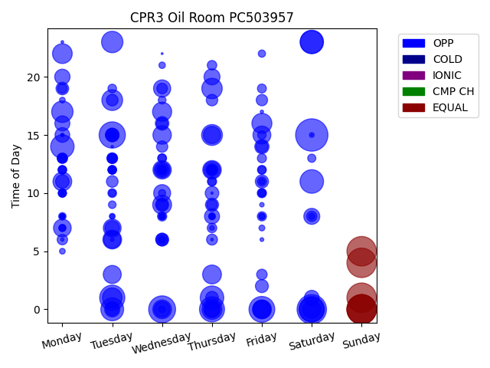
Chg Tim | Week Day | Time of Day | Profile | Charge Start
577 | Saturday | 15 | OPP | 2022-03-05 | Days Recorded
479 | Sunday | 0 | EQUAL | 2022-03-20 | 40.818055556
479 | Sunday | 0 | EQUAL | 2022-03-27
479 | Sunday | 4 | EQUAL | 2022-04-10 | Equalizations
479 | Sunday | 1 | EQUAL | 2022-03-06 | 6
479 | Saturday | 0 | OPP | 2022-03-26
479 | Sunday | 5 | EQUAL | 2022-03-13 | EQs Per Week
479 | Sunday | 0 | EQUAL | 2022-04-03
401 | Wednesday | 0 | OPP | 2022-04-06
381 | Tuesday | 15 | OPP | 2022-03-15
367 | Friday | 0 | OPP | 2022-04-08
360 | Saturday | 0 | OPP | 2022-04-09
350 | Tuesday | 1 | OPP | 2022-03-29
346 | Thursday | 0 | OPP | 2022-04-14
332 | Saturday | 0 | OPP | 2022-03-12
306 | Thursday | 1 | OPP | 2022-04-07
306 | Saturday | 11 | OPP | 2022-03-19
304 | Monday | 14 | OPP | 2022-04-11
303 | Saturday | 23 | OPP | 2022-03-12
290 | Saturday | 23 | OPP | 2022-04-09
287 | Tuesday | 0 | OPP | 2022-03-15
253 | Monday | 17 | OPP | 2022-03-07
253 | Tuesday | 23 | OPP | 2022-03-22
240 | Thursday | 15 | OPP | 2022-03-10
238 | Tuesday | 18 | OPP | 2022-03-08
231 | Thursday | 19 | OPP | 2022-03-17
223 | Thursday | 0 | OPP | 2022-03-17
221 | Friday | 16 | OPP | 2022-03-11
215 | Monday | 22 | OPP | 2022-04-11
212 | Tuesday | 1 | OPP | 2022-03-22
202 | Wednesday | 17 | OPP | 2022-03-30
197 | Wednesday | 9 | OPP | 2022-03-23
196 | Thursday | 3 | OPP | 2022-03-31
194 | Monday | 11 | OPP | 2022-04-04
193 | Tuesday | 6 | OPP | 2022-04-12
193 | Wednesday | 0 | OPP | 2022-04-13
193 | Friday | 0 | OPP | 2022-03-25
190 | Thursday | 12 | OPP | 2022-03-17
189 | Friday | 0 | OPP | 2022-03-11
187 | Wednesday | 15 | OPP | 2022-03-09
185 | Wednesday | 12 | OPP | 2022-04-06
179 | Tuesday | 3 | OPP | 2022-04-05
178 | Saturday | 0 | OPP | 2022-03-05
176 | Friday | 15 | OPP | 2022-03-18
175 | Tuesday | 7 | OPP | 2022-03-22
173 | Monday | 7 | OPP | 2022-03-07
166 | Thursday | 15 | OPP | 2022-03-24
166 | Friday | 0 | OPP | 2022-04-01
163 | Tuesday | 6 | OPP | 2022-03-08
163 | Wednesday | 19 | OPP | 2022-03-16
159 | Wednesday | 10 | OPP | 2022-03-30
152 | Thursday | 0 | OPP | 2022-03-10
149 | Thursday | 12 | OPP | 2022-04-07
142 | Wednesday | 12 | OPP | 2022-03-23
141 | Thursday | 20 | OPP | 2022-03-10
141 | Saturday | 8 | OPP | 2022-03-12
137 | Wednesday | 0 | OPP | 2022-03-09
130 | Monday | 20 | OPP | 2022-04-04
129 | Tuesday | 0 | OPP | 2022-04-05
125 | Thursday | 8 | OPP | 2022-04-14
125 | Monday | 16 | OPP | 2022-04-04
125 | Thursday | 0 | OPP | 2022-03-31
120 | Monday | 15 | OPP | 2022-03-28
120 | Saturday | 1 | OPP | 2022-03-19
118 | Tuesday | 7 | OPP | 2022-04-05
113 | Friday | 14 | OPP | 2022-03-25
103 | Thursday | 10 | OPP | 2022-04-14
102 | Wednesday | 16 | OPP | 2022-03-23
102 | Monday | 11 | OPP | 2022-03-28
100 | Wednesday | 12 | OPP | 2022-03-16
99 | Tuesday | 15 | OPP | 2022-03-08
99 | Tuesday | 15 | OPP | 2022-03-29
97 | Wednesday | 9 | OPP | 2022-04-06
97 | Tuesday | 15 | OPP | 2022-04-12
96 | Friday | 11 | OPP | 2022-03-18
95 | Thursday | 9 | OPP | 2022-04-07
93 | Friday | 2 | OPP | 2022-03-18
92 | Wednesday | 6 | OPP | 2022-03-30
90 | Tuesday | 0 | OPP | 2022-03-08
89 | Thursday | 1 | OPP | 2022-03-24
88 | Monday | 19 | OPP | 2022-03-14
87 | Wednesday | 6 | OPP | 2022-03-23
81 | Thursday | 12 | OPP | 2022-03-31
79 | Friday | 14 | OPP | 2022-03-04
75 | Tuesday | 18 | OPP | 2022-04-05
75 | Tuesday | 11 | OPP | 2022-04-12
73 | Thursday | 18 | OPP | 2022-03-24
72 | Wednesday | 16 | OPP | 2022-03-16
71 | Wednesday | 9 | OPP | 2022-03-30
71 | Wednesday | 14 | OPP | 2022-03-30
71 | Friday | 18 | OPP | 2022-03-18
66 | Thursday | 6 | OPP | 2022-03-24
63 | Wednesday | 19 | OPP | 2022-03-23
63 | Tuesday | 13 | OPP | 2022-04-05
63 | Thursday | 12 | OPP | 2022-03-10
62 | Thursday | 9 | OPP | 2022-03-31
61 | Friday | 3 | OPP | 2022-04-01
60 | Saturday | 8 | OPP | 2022-04-02
60 | Monday | 6 | OPP | 2022-04-04
60 | Tuesday | 13 | OPP | 2022-03-29
58 | Monday | 13 | OPP | 2022-03-21
58 | Wednesday | 6 | OPP | 2022-03-16
57 | Monday | 13 | OPP | 2022-03-28
53 | Monday | 19 | OPP | 2022-03-21
52 | Tuesday | 13 | OPP | 2022-04-12
50 | Thursday | 21 | OPP | 2022-04-07
50 | Thursday | 7 | OPP | 2022-03-31
49 | Monday | 13 | OPP | 2022-04-11
49 | Wednesday | 12 | OPP | 2022-04-13
48 | Friday | 11 | OPP | 2022-03-18
48 | Friday | 10 | OPP | 2022-03-25
48 | Wednesday | 8 | OPP | 2022-04-13
48 | Wednesday | 12 | OPP | 2022-03-09
47 | Friday | 8 | OPP | 2022-03-11
46 | Friday | 13 | OPP | 2022-03-11
45 | Tuesday | 13 | OPP | 2022-03-22
45 | Thursday | 11 | OPP | 2022-04-07
44 | Friday | 19 | OPP | 2022-03-04
44 | Monday | 13 | OPP | 2022-03-07
43 | Friday | 12 | OPP | 2022-03-11
42 | Tuesday | 10 | OPP | 2022-03-29
42 | Thursday | 11 | OPP | 2022-03-24
42 | Thursday | 12 | OPP | 2022-03-31
42 | Wednesday | 13 | OPP | 2022-03-09
41 | Wednesday | 13 | OPP | 2022-04-13
41 | Tuesday | 19 | OPP | 2022-03-22
41 | Thursday | 12 | OPP | 2022-03-24
41 | Thursday | 12 | OPP | 2022-03-24
40 | Tuesday | 12 | OPP | 2022-03-08
40 | Monday | 12 | OPP | 2022-03-21
40 | Friday | 15 | OPP | 2022-03-11
40 | Tuesday | 12 | OPP | 2022-03-29
39 | Monday | 12 | OPP | 2022-03-07
38 | Tuesday | 12 | OPP | 2022-03-15
38 | Monday | 12 | OPP | 2022-03-14
38 | Wednesday | 12 | OPP | 2022-03-16
37 | Friday | 12 | OPP | 2022-03-25
37 | Monday | 10 | OPP | 2022-03-28
37 | Monday | 10 | OPP | 2022-04-04
37 | Saturday | 13 | OPP | 2022-03-05
37 | Tuesday | 15 | OPP | 2022-04-05
36 | Tuesday | 12 | OPP | 2022-04-05
35 | Tuesday | 12 | OPP | 2022-03-22
34 | Friday | 10 | OPP | 2022-03-11
33 | Wednesday | 18 | OPP | 2022-03-23
33 | Friday | 10 | OPP | 2022-04-08
33 | Monday | 10 | OPP | 2022-04-04
32 | Tuesday | 9 | OPP | 2022-03-15
31 | Monday | 8 | OPP | 2022-03-28
29 | Friday | 22 | OPP | 2022-03-18
29 | Tuesday | 10 | OPP | 2022-04-05
29 | Wednesday | 8 | OPP | 2022-03-16
28 | Wednesday | 10 | OPP | 2022-04-13
26 | Monday | 7 | OPP | 2022-04-11
26 | Monday | 7 | OPP | 2022-04-11
26 | Thursday | 8 | OPP | 2022-03-10
26 | Monday | 7 | OPP | 2022-03-07
23 | Friday | 8 | OPP | 2022-03-25
23 | Wednesday | 21 | OPP | 2022-03-23
22 | Wednesday | 8 | OPP | 2022-04-06
22 | Wednesday | 0 | OPP | 2022-04-13
22 | Wednesday | 6 | OPP | 2022-03-16
22 | Thursday | 8 | OPP | 2022-03-31
21 | Tuesday | 15 | OPP | 2022-03-08
20 | Saturday | 8 | OPP | 2022-03-05
20 | Wednesday | 6 | OPP | 2022-03-09
20 | Friday | 8 | OPP | 2022-04-08
19 | Friday | 7 | OPP | 2022-03-11
19 | Tuesday | 8 | OPP | 2022-03-08
19 | Friday | 11 | OPP | 2022-03-25
18 | Monday | 18 | OPP | 2022-03-28
18 | Wednesday | 8 | OPP | 2022-03-09
18 | Thursday | 8 | OPP | 2022-03-17
18 | Monday | 5 | OPP | 2022-04-04
17 | Thursday | 12 | OPP | 2022-03-17
17 | Monday | 8 | OPP | 2022-04-04
17 | Thursday | 8 | OPP | 2022-03-24
15 | Monday | 8 | OPP | 2022-04-04
14 | Monday | 8 | OPP | 2022-04-11
13 | Thursday | 7 | OPP | 2022-04-07
13 | Saturday | 15 | OPP | 2022-03-05
12 | Tuesday | 8 | OPP | 2022-03-29
11 | Friday | 9 | OPP | 2022-03-11
8 | Friday | 6 | OPP | 2022-03-18
8 | Monday | 8 | OPP | 2022-04-04
8 | Wednesday | 8 | OPP | 2022-03-30
8 | Monday | 15 | OPP | 2022-03-14
7 | Tuesday | 6 | OPP | 2022-03-22
6 | Monday | 10 | OPP | 2022-04-11
6 | Monday | 6 | OPP | 2022-03-14
6 | Friday | 17 | OPP | 2022-03-04
5 | Tuesday | 15 | OPP | 2022-03-08
4 | Thursday | 6 | OPP | 2022-03-10
4 | Monday | 23 | OPP | 2022-03-28
3 | Tuesday | 14 | OPP | 2022-03-08
3 | Thursday | 10 | OPP | 2022-03-24
2 | Wednesday | 22 | OPP | 2022-04-13
2 | Monday | 15 | OPP | 2022-03-28
1 | Saturday | 15 | OPP | 2022-03-05
0 | Tuesday | 23 | OPP | 2022-03-15

DS-1
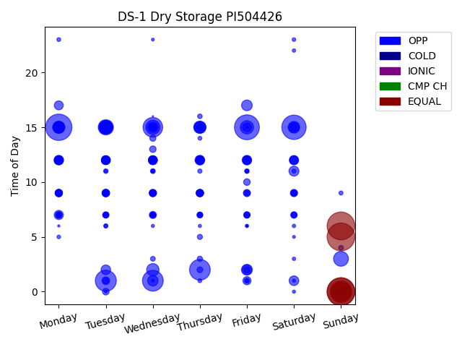
Chg Tim | Week Day | Time of Day | Profile | Charge Start
479 | Sunday | 6 | EQUAL | 2022-04-10 | Days Recorded
479 | Sunday | 0 | EQUAL | 2022-04-03 | 33.129861111
479 | Sunday | 5 | EQUAL | 2022-03-20
479 | Sunday | 0 | EQUAL | 2022-03-27 | Equalizations
429 | Monday | 15 | OPP | 2022-04-04 | 7
384 | Friday | 15 | OPP | 2022-04-08
367 | Saturday | 15 | OPP | 2022-04-09 | EQs Per Week
284 | Sunday | 0 | EQUAL | 2022-03-13
274 | Tuesday | 1 | OPP | 2022-04-05
268 | Wednesday | 1 | OPP | 2022-04-06
267 | Thursday | 2 | OPP | 2022-04-07
239 | Wednesday | 15 | OPP | 2022-04-06
224 | Sunday | 0 | EQUAL | 2022-04-10
143 | Tuesday | 15 | OPP | 2022-04-05
136 | Sunday | 3 | OPP | 2022-04-10
125 | Wednesday | 15 | OPP | 2022-03-30
117 | Tuesday | 15 | OPP | 2022-03-29
113 | Tuesday | 15 | OPP | 2022-04-12
109 | Friday | 15 | OPP | 2022-03-18
95 | Wednesday | 2 | OPP | 2022-03-30
94 | Thursday | 15 | OPP | 2022-03-31
89 | Monday | 15 | OPP | 2022-04-11
88 | Tuesday | 15 | OPP | 2022-03-22
87 | Monday | 15 | OPP | 2022-03-21
85 | Thursday | 15 | OPP | 2022-03-17
84 | Saturday | 15 | OPP | 2022-03-12
82 | Monday | 15 | OPP | 2022-03-14
76 | Thursday | 15 | OPP | 2022-03-24
75 | Tuesday | 15 | OPP | 2022-03-15
73 | Friday | 2 | OPP | 2022-04-08
71 | Friday | 17 | OPP | 2022-04-01
70 | Saturday | 15 | OPP | 2022-03-19
68 | Wednesday | 1 | OPP | 2022-03-23
68 | Wednesday | 15 | OPP | 2022-03-16
62 | Saturday | 11 | OPP | 2022-04-02
59 | Sunday | 0 | EQUAL | 2022-03-20
59 | Friday | 2 | OPP | 2022-03-25
59 | Monday | 15 | OPP | 2022-03-28
58 | Saturday | 1 | OPP | 2022-03-26
58 | Thursday | 12 | OPP | 2022-03-17
57 | Tuesday | 2 | OPP | 2022-04-12
56 | Monday | 12 | OPP | 2022-03-21
55 | Friday | 12 | OPP | 2022-04-08
53 | Saturday | 12 | OPP | 2022-04-09
52 | Monday | 7 | OPP | 2022-04-11
50 | Monday | 17 | OPP | 2022-03-28
50 | Friday | 12 | OPP | 2022-03-18
50 | Tuesday | 12 | OPP | 2022-03-15
50 | Monday | 12 | OPP | 2022-03-14
48 | Friday | 15 | OPP | 2022-04-01
48 | Wednesday | 12 | OPP | 2022-04-06
47 | Thursday | 12 | OPP | 2022-04-07
47 | Wednesday | 12 | OPP | 2022-04-13
46 | Wednesday | 12 | OPP | 2022-03-30
46 | Tuesday | 12 | OPP | 2022-04-05
45 | Monday | 12 | OPP | 2022-04-11
45 | Saturday | 12 | OPP | 2022-03-19
45 | Thursday | 12 | OPP | 2022-03-31
45 | Tuesday | 12 | OPP | 2022-04-12
45 | Thursday | 12 | OPP | 2022-03-24
45 | Wednesday | 12 | OPP | 2022-03-16
44 | Monday | 12 | OPP | 2022-04-04
44 | Saturday | 12 | OPP | 2022-03-12
43 | Tuesday | 12 | OPP | 2022-03-29
43 | Monday | 12 | OPP | 2022-03-28
43 | Tuesday | 12 | OPP | 2022-03-22
41 | Friday | 1 | OPP | 2022-04-01
41 | Thursday | 12 | OPP | 2022-04-14
39 | Friday | 12 | OPP | 2022-04-01
37 | Tuesday | 1 | OPP | 2022-03-15
35 | Tuesday | 9 | OPP | 2022-04-12
35 | Saturday | 15 | OPP | 2022-04-02
34 | Wednesday | 15 | OPP | 2022-04-13
34 | Friday | 12 | OPP | 2022-03-25
33 | Thursday | 9 | OPP | 2022-03-31
32 | Monday | 9 | OPP | 2022-03-21
32 | Thursday | 9 | OPP | 2022-04-07
32 | Wednesday | 9 | OPP | 2022-03-30
32 | Tuesday | 9 | OPP | 2022-03-29
32 | Monday | 9 | OPP | 2022-03-14
32 | Thursday | 9 | OPP | 2022-03-24
32 | Saturday | 9 | OPP | 2022-03-19
32 | Tuesday | 9 | OPP | 2022-03-22
31 | Monday | 9 | OPP | 2022-03-28
31 | Thursday | 9 | OPP | 2022-03-17
31 | Friday | 9 | OPP | 2022-03-18
31 | Wednesday | 7 | OPP | 2022-04-06
31 | Wednesday | 9 | OPP | 2022-03-16
31 | Monday | 9 | OPP | 2022-04-11
30 | Wednesday | 12 | OPP | 2022-03-23
30 | Monday | 9 | OPP | 2022-04-04
29 | Tuesday | 9 | OPP | 2022-04-05
29 | Tuesday | 9 | OPP | 2022-03-15
28 | Thursday | 15 | OPP | 2022-04-07
28 | Wednesday | 9 | OPP | 2022-04-13
27 | Wednesday | 9 | OPP | 2022-04-06
27 | Tuesday | 0 | OPP | 2022-03-29
27 | Friday | 10 | OPP | 2022-04-08
26 | Wednesday | 13 | OPP | 2022-04-13
26 | Wednesday | 9 | OPP | 2022-03-30
26 | Saturday | 9 | OPP | 2022-04-09
26 | Monday | 7 | OPP | 2022-03-28
26 | Friday | 9 | OPP | 2022-04-01
25 | Tuesday | 7 | OPP | 2022-03-15
25 | Friday | 2 | OPP | 2022-03-18
24 | Friday | 7 | OPP | 2022-04-08
24 | Saturday | 7 | OPP | 2022-04-09
24 | Wednesday | 15 | OPP | 2022-03-23
24 | Friday | 7 | OPP | 2022-04-01
24 | Saturday | 7 | OPP | 2022-03-19
23 | Saturday | 9 | OPP | 2022-04-02
23 | Saturday | 9 | OPP | 2022-03-12
23 | Wednesday | 14 | OPP | 2022-03-23
22 | Tuesday | 1 | OPP | 2022-04-12
22 | Thursday | 9 | OPP | 2022-04-14
22 | Wednesday | 9 | OPP | 2022-03-23
21 | Thursday | 7 | OPP | 2022-04-07
21 | Monday | 7 | OPP | 2022-03-14
20 | Thursday | 2 | OPP | 2022-03-24
20 | Wednesday | 7 | OPP | 2022-03-23
20 | Friday | 7 | OPP | 2022-03-18
20 | Wednesday | 7 | OPP | 2022-04-13
20 | Thursday | 7 | OPP | 2022-03-17
19 | Monday | 7 | OPP | 2022-03-21
19 | Tuesday | 7 | OPP | 2022-03-29
19 | Tuesday | 7 | OPP | 2022-04-12
17 | Wednesday | 7 | OPP | 2022-03-30
17 | Tuesday | 7 | OPP | 2022-03-22
17 | Thursday | 3 | OPP | 2022-03-17
16 | Thursday | 5 | OPP | 2022-03-24
16 | Monday | 7 | OPP | 2022-04-04
16 | Friday | 1 | OPP | 2022-03-18
15 | Saturday | 7 | OPP | 2022-04-02
15 | Thursday | 7 | OPP | 2022-03-24
14 | Sunday | 4 | OPP | 2022-03-20
14 | Wednesday | 7 | OPP | 2022-03-16
14 | Wednesday | 3 | OPP | 2022-03-16
14 | Wednesday | 11 | OPP | 2022-03-23
14 | Wednesday | 12 | OPP | 2022-03-16
13 | Tuesday | 9 | OPP | 2022-03-22
13 | Thursday | 16 | OPP | 2022-04-07
13 | Tuesday | 11 | OPP | 2022-03-15
12 | Thursday | 7 | OPP | 2022-03-31
12 | Thursday | 7 | OPP | 2022-03-31
12 | Friday | 11 | OPP | 2022-03-18
11 | Thursday | 11 | OPP | 2022-03-24
11 | Wednesday | 9 | OPP | 2022-03-16
11 | Friday | 11 | OPP | 2022-03-18
11 | Tuesday | 6 | OPP | 2022-03-22
11 | Monday | 9 | OPP | 2022-03-28
10 | Friday | 9 | OPP | 2022-03-18
10 | Saturday | 11 | OPP | 2022-03-19
10 | Tuesday | 12 | OPP | 2022-03-29
10 | Monday | 12 | OPP | 2022-03-28
10 | Sunday | 9 | OPP | 2022-04-03
10 | Monday | 9 | OPP | 2022-03-21
9 | Wednesday | 11 | OPP | 2022-03-30
9 | Thursday | 9 | OPP | 2022-04-14
9 | Monday | 23 | OPP | 2022-03-21
9 | Thursday | 9 | OPP | 2022-03-31
9 | Wednesday | 11 | OPP | 2022-04-13
9 | Thursday | 14 | OPP | 2022-03-31
9 | Thursday | 12 | OPP | 2022-03-24
9 | Monday | 12 | OPP | 2022-04-11
9 | Thursday | 1 | OPP | 2022-03-17
8 | Monday | 5 | OPP | 2022-03-21
8 | Saturday | 23 | OPP | 2022-03-12
8 | Tuesday | 6 | OPP | 2022-03-15
8 | Thursday | 12 | OPP | 2022-03-31
8 | Thursday | 7 | OPP | 2022-03-24
8 | Monday | 7 | OPP | 2022-04-04
7 | Saturday | 22 | OPP | 2022-03-19
7 | Friday | 1 | OPP | 2022-03-18
7 | Saturday | 6 | OPP | 2022-03-19
7 | Saturday | 3 | OPP | 2022-03-19
7 | Monday | 9 | OPP | 2022-03-14
7 | Monday | 12 | OPP | 2022-04-04
7 | Monday | 15 | OPP | 2022-04-04
6 | Friday | 6 | OPP | 2022-04-08
6 | Saturday | 1 | OPP | 2022-03-19
6 | Saturday | 0 | OPP | 2022-03-19
6 | Monday | 12 | OPP | 2022-03-14
6 | Tuesday | 11 | OPP | 2022-03-15
6 | Thursday | 6 | OPP | 2022-03-24
6 | Wednesday | 6 | OPP | 2022-03-16
6 | Friday | 11 | OPP | 2022-04-01
5 | Friday | 6 | OPP | 2022-03-18
5 | Tuesday | 15 | OPP | 2022-04-05
5 | Wednesday | 23 | OPP | 2022-03-23
5 | Wednesday | 1 | OPP | 2022-04-13
5 | Saturday | 5 | OPP | 2022-03-26
4 | Wednesday | 12 | OPP | 2022-04-06
4 | Wednesday | 9 | OPP | 2022-04-13
4 | Tuesday | 0 | OPP | 2022-03-22
3 | Monday | 6 | OPP | 2022-04-04
3 | Friday | 7 | OPP | 2022-03-25
2 | Friday | 15 | OPP | 2022-03-18
1 | Friday | 6 | OPP | 2022-04-01
1 | Wednesday | 16 | OPP | 2022-04-13
1 | Tuesday | 7 | OPP | 2022-03-15

CPR6
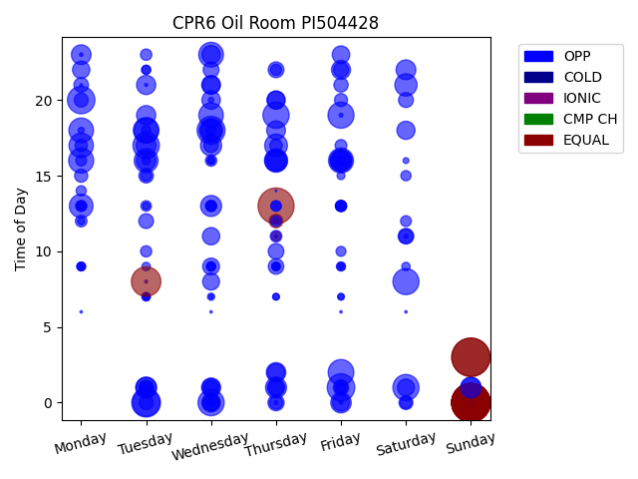
Chg Tim | Week Day | Time of Day | Profile | Charge Start
479 | Sunday | 0 | EQUAL | 2022-01-30 | Days Recorded
479 | Sunday | 0 | EQUAL | 2022-03-20 | 85.2
479 | Sunday | 0 | EQUAL | 2022-03-06
479 | Sunday | 0 | EQUAL | 2022-02-06 | Equalizations
479 | Sunday | 3 | EQUAL | 2022-04-03 | 14
479 | Sunday | 0 | EQUAL | 2022-03-27
479 | Sunday | 0 | EQUAL | 2022-02-27 | EQs Per Week
479 | Sunday | 0 | EQUAL | 2022-02-13
479 | Sunday | 0 | EQUAL | 2022-03-13
479 | Sunday | 3 | EQUAL | 2022-01-23
422 | Thursday | 13 | EQUAL | 2022-02-17
284 | Tuesday | 8 | EQUAL | 2022-04-12
270 | Tuesday | 0 | OPP | 2022-03-22
253 | Wednesday | 18 | OPP | 2022-02-09
247 | Friday | 1 | OPP | 2022-01-28
245 | Monday | 20 | OPP | 2022-03-14
241 | Tuesday | 0 | OPP | 2022-02-08
227 | Tuesday | 17 | OPP | 2022-04-12
224 | Thursday | 19 | OPP | 2022-04-07
223 | Wednesday | 0 | OPP | 2022-02-09
222 | Saturday | 1 | OPP | 2022-01-29
221 | Friday | 19 | OPP | 2022-02-04
221 | Saturday | 8 | OPP | 2022-04-02
215 | Friday | 2 | OPP | 2022-04-08
213 | Tuesday | 18 | OPP | 2022-03-08
204 | Monday | 16 | OPP | 2022-02-14
203 | Friday | 16 | OPP | 2022-04-01
199 | Wednesday | 23 | OPP | 2022-02-09
197 | Monday | 18 | OPP | 2022-03-07
195 | Wednesday | 19 | OPP | 2022-01-26
193 | Monday | 17 | OPP | 2022-01-24
192 | Tuesday | 18 | OPP | 2022-01-25
185 | Tuesday | 16 | OPP | 2022-03-01
182 | Monday | 13 | OPP | 2022-02-28
177 | Wednesday | 18 | OPP | 2022-02-02
174 | Thursday | 16 | OPP | 2022-02-10
168 | Thursday | 17 | OPP | 2022-02-03
162 | Thursday | 16 | OPP | 2022-03-10
161 | Saturday | 21 | OPP | 2022-02-05
159 | Friday | 16 | OPP | 2022-03-25
150 | Friday | 16 | OPP | 2022-02-18
145 | Wednesday | 17 | OPP | 2022-01-19
144 | Thursday | 1 | OPP | 2022-04-14
143 | Wednesday | 13 | OPP | 2022-03-09
140 | Tuesday | 1 | OPP | 2022-04-05
138 | Wednesday | 18 | OPP | 2022-03-16
137 | Tuesday | 1 | OPP | 2022-04-12
137 | Friday | 0 | OPP | 2022-02-25
136 | Sunday | 1 | OPP | 2022-04-03
134 | Sunday | 1 | OPP | 2022-01-23
130 | Tuesday | 17 | OPP | 2022-03-15
127 | Saturday | 22 | OPP | 2022-03-05
126 | Monday | 23 | OPP | 2022-02-21
124 | Tuesday | 16 | OPP | 2022-04-05
124 | Thursday | 2 | OPP | 2022-02-24
122 | Thursday | 16 | OPP | 2022-03-24
120 | Tuesday | 19 | OPP | 2022-02-01
120 | Tuesday | 21 | OPP | 2022-02-15
119 | Wednesday | 1 | OPP | 2022-04-13
118 | Friday | 22 | OPP | 2022-02-11
115 | Thursday | 18 | OPP | 2022-03-03
114 | Wednesday | 0 | OPP | 2022-03-30
114 | Wednesday | 21 | OPP | 2022-02-16
111 | Wednesday | 23 | OPP | 2022-03-30
111 | Wednesday | 20 | OPP | 2022-02-23
108 | Thursday | 20 | OPP | 2022-01-20
107 | Saturday | 18 | OPP | 2022-02-12
105 | Wednesday | 21 | OPP | 2022-03-02
105 | Friday | 16 | OPP | 2022-02-25
104 | Wednesday | 1 | OPP | 2022-02-02
102 | Thursday | 20 | OPP | 2022-03-31
100 | Friday | 23 | OPP | 2022-03-04
99 | Thursday | 2 | OPP | 2022-03-17
98 | Wednesday | 11 | OPP | 2022-03-16
98 | Thursday | 1 | OPP | 2022-03-10
98 | Monday | 22 | OPP | 2022-03-28
95 | Friday | 0 | OPP | 2022-02-18
95 | Saturday | 1 | OPP | 2022-04-02
93 | Wednesday | 8 | OPP | 2022-04-06
92 | Wednesday | 9 | OPP | 2022-01-19
88 | Wednesday | 0 | OPP | 2022-03-23
87 | Wednesday | 0 | OPP | 2022-02-23
86 | Thursday | 0 | OPP | 2022-01-20
81 | Thursday | 22 | OPP | 2022-03-17
81 | Wednesday | 22 | OPP | 2022-03-23
80 | Thursday | 10 | OPP | 2022-02-24
80 | Saturday | 11 | OPP | 2022-01-22
79 | Thursday | 1 | OPP | 2022-04-07
78 | Thursday | 9 | OPP | 2022-03-03
76 | Friday | 1 | OPP | 2022-03-04
73 | Friday | 22 | OPP | 2022-03-11
72 | Saturday | 20 | OPP | 2022-03-19
71 | Tuesday | 12 | OPP | 2022-03-08
70 | Wednesday | 1 | OPP | 2022-03-09
69 | Monday | 21 | OPP | 2022-01-31
69 | Tuesday | 15 | OPP | 2022-02-22
67 | Saturday | 11 | OPP | 2022-01-29
66 | Wednesday | 17 | OPP | 2022-03-09
66 | Friday | 21 | OPP | 2022-01-21
64 | Tuesday | 1 | OPP | 2022-03-01
63 | Monday | 20 | OPP | 2022-01-31
63 | Tuesday | 0 | OPP | 2022-03-08
63 | Saturday | 0 | OPP | 2022-02-05
59 | Thursday | 12 | EQUAL | 2022-02-17
58 | Tuesday | 1 | OPP | 2022-01-25
57 | Friday | 1 | OPP | 2022-03-25
56 | Thursday | 0 | OPP | 2022-02-03
56 | Monday | 15 | OPP | 2022-01-24
55 | Friday | 20 | OPP | 2022-01-21
52 | Thursday | 17 | OPP | 2022-04-07
49 | Monday | 17 | OPP | 2022-04-04
46 | Saturday | 0 | OPP | 2022-03-26
45 | Friday | 17 | OPP | 2022-03-18
44 | Monday | 12 | OPP | 2022-01-24
44 | Thursday | 11 | OPP | 2022-04-07
42 | Wednesday | 16 | OPP | 2022-02-09
42 | Tuesday | 23 | OPP | 2022-03-15
42 | Friday | 13 | OPP | 2022-04-08
41 | Tuesday | 10 | OPP | 2022-03-29
40 | Tuesday | 15 | OPP | 2022-01-25
40 | Thursday | 22 | OPP | 2022-02-10
39 | Wednesday | 13 | OPP | 2022-01-19
39 | Wednesday | 13 | OPP | 2022-03-02
39 | Monday | 13 | OPP | 2022-03-07
39 | Friday | 13 | OPP | 2022-03-11
38 | Saturday | 12 | OPP | 2022-03-05
38 | Monday | 13 | OPP | 2022-01-31
38 | Monday | 16 | OPP | 2022-04-11
37 | Thursday | 13 | OPP | 2022-03-10
37 | Thursday | 12 | OPP | 2022-04-14
37 | Friday | 13 | OPP | 2022-01-21
36 | Friday | 13 | OPP | 2022-03-25
36 | Tuesday | 13 | OPP | 2022-01-25
35 | Wednesday | 13 | OPP | 2022-04-13
35 | Friday | 13 | OPP | 2022-03-04
34 | Saturday | 15 | OPP | 2022-02-05
34 | Monday | 14 | OPP | 2022-01-24
32 | Friday | 10 | OPP | 2022-03-25
32 | Wednesday | 18 | OPP | 2022-04-06
32 | Thursday | 13 | OPP | 2022-04-07
31 | Friday | 1 | OPP | 2022-03-11
30 | Tuesday | 1 | OPP | 2022-03-15
29 | Wednesday | 9 | OPP | 2022-02-02
29 | Thursday | 11 | EQUAL | 2022-03-24
28 | Tuesday | 22 | OPP | 2022-03-22
28 | Tuesday | 18 | OPP | 2022-02-01
27 | Friday | 9 | OPP | 2022-04-08
26 | Friday | 16 | OPP | 2022-02-04
25 | Sunday | 0 | OPP | 2022-03-13
25 | Monday | 9 | OPP | 2022-01-24
25 | Monday | 9 | OPP | 2022-03-07
25 | Wednesday | 9 | OPP | 2022-02-16
25 | Tuesday | 22 | OPP | 2022-04-05
24 | Tuesday | 7 | OPP | 2022-04-05
24 | Thursday | 9 | OPP | 2022-04-07
23 | Saturday | 9 | OPP | 2022-03-05
23 | Friday | 9 | OPP | 2022-02-11
23 | Wednesday | 0 | OPP | 2022-01-26
23 | Tuesday | 9 | OPP | 2022-03-08
22 | Tuesday | 16 | OPP | 2022-03-08
22 | Thursday | 9 | OPP | 2022-02-10
22 | Wednesday | 9 | OPP | 2022-02-23
22 | Wednesday | 16 | OPP | 2022-04-13
22 | Thursday | 9 | OPP | 2022-03-10
21 | Tuesday | 7 | OPP | 2022-04-12
21 | Monday | 9 | OPP | 2022-02-07
20 | Friday | 15 | OPP | 2022-02-04
20 | Monday | 13 | OPP | 2022-03-28
17 | Tuesday | 13 | OPP | 2022-04-12
17 | Monday | 12 | OPP | 2022-01-24
17 | Wednesday | 7 | OPP | 2022-03-23
15 | Thursday | 7 | OPP | 2022-03-10
15 | Wednesday | 16 | OPP | 2022-04-13
14 | Friday | 7 | OPP | 2022-03-04
14 | Thursday | 7 | OPP | 2022-03-03
14 | Friday | 7 | OPP | 2022-04-08
12 | Monday | 18 | OPP | 2022-04-04
11 | Saturday | 16 | OPP | 2022-02-12
10 | Wednesday | 20 | OPP | 2022-04-06
9 | Thursday | 12 | OPP | 2022-02-17
9 | Tuesday | 7 | OPP | 2022-03-08
8 | Tuesday | 7 | OPP | 2022-02-08
8 | Friday | 9 | OPP | 2022-03-11
7 | Wednesday | 7 | OPP | 2022-03-02
5 | Saturday | 11 | OPP | 2022-03-12
5 | Friday | 19 | OPP | 2022-02-04
4 | Friday | 0 | OPP | 2022-02-04
4 | Thursday | 0 | OPP | 2022-01-27
4 | Monday | 23 | OPP | 2022-01-31
4 | Thursday | 11 | OPP | 2022-03-24
3 | Thursday | 13 | OPP | 2022-02-17
3 | Tuesday | 21 | OPP | 2022-04-12
3 | Tuesday | 8 | OPP | 2022-04-12
2 | Monday | 6 | OPP | 2022-02-28
2 | Wednesday | 6 | OPP | 2022-02-23
2 | Monday | 21 | OPP | 2022-04-11
2 | Monday | 9 | OPP | 2022-04-04
2 | Saturday | 6 | OPP | 2022-02-19
2 | Friday | 6 | OPP | 2022-02-18
1 | Thursday | 14 | OPP | 2022-04-14

DS-2
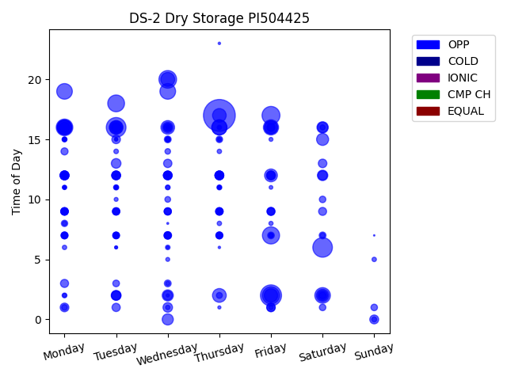
Chg Tim | Week Day | Time of Day | Profile | Charge Start
524 | Thursday | 17 | OPP | 2022-04-07 | Days Recorded
230 | Friday | 2 | OPP | 2022-04-01 | 34.427083333
201 | Tuesday | 16 | OPP | 2022-04-12
198 | Saturday | 6 | OPP | 2022-04-02 | Equalizations
166 | Friday | 17 | OPP | 2022-04-01 | 0
161 | Wednesday | 20 | OPP | 2022-04-06
153 | Friday | 2 | OPP | 2022-04-08 | EQs Per Week
152 | Friday | 7 | OPP | 2022-04-01
146 | Tuesday | 18 | OPP | 2022-04-05
143 | Monday | 16 | OPP | 2022-04-04
127 | Wednesday | 19 | OPP | 2022-03-16
126 | Saturday | 2 | OPP | 2022-04-09
126 | Monday | 19 | OPP | 2022-03-14
120 | Thursday | 16 | OPP | 2022-03-17
119 | Friday | 16 | OPP | 2022-03-11
117 | Thursday | 16 | OPP | 2022-03-31
116 | Monday | 16 | OPP | 2022-03-28
107 | Monday | 16 | OPP | 2022-03-21
100 | Monday | 16 | OPP | 2022-04-11
100 | Wednesday | 20 | OPP | 2022-03-23
98 | Thursday | 2 | OPP | 2022-04-14
96 | Wednesday | 16 | OPP | 2022-03-30
96 | Thursday | 17 | OPP | 2022-03-24
94 | Friday | 16 | OPP | 2022-03-18
94 | Tuesday | 16 | OPP | 2022-03-15
93 | Friday | 2 | OPP | 2022-03-11
92 | Tuesday | 16 | OPP | 2022-03-29
85 | Friday | 12 | OPP | 2022-03-25
80 | Saturday | 2 | OPP | 2022-03-19
79 | Friday | 16 | OPP | 2022-03-25
75 | Saturday | 15 | OPP | 2022-04-02
66 | Saturday | 16 | OPP | 2022-03-12
64 | Wednesday | 0 | OPP | 2022-04-06
64 | Wednesday | 2 | OPP | 2022-03-16
62 | Tuesday | 16 | OPP | 2022-03-22
59 | Wednesday | 16 | OPP | 2022-03-16
56 | Saturday | 12 | OPP | 2022-04-02
55 | Saturday | 16 | OPP | 2022-03-19
53 | Monday | 16 | OPP | 2022-03-14
50 | Tuesday | 2 | OPP | 2022-04-05
49 | Saturday | 2 | OPP | 2022-03-12
48 | Tuesday | 13 | OPP | 2022-03-15
47 | Wednesday | 1 | OPP | 2022-03-30
45 | Saturday | 12 | OPP | 2022-03-12
45 | Tuesday | 2 | OPP | 2022-03-22
44 | Wednesday | 2 | OPP | 2022-04-13
44 | Tuesday | 2 | OPP | 2022-03-29
41 | Monday | 12 | OPP | 2022-03-14
41 | Monday | 12 | OPP | 2022-04-11
41 | Sunday | 0 | OPP | 2022-03-20
...

CPR5
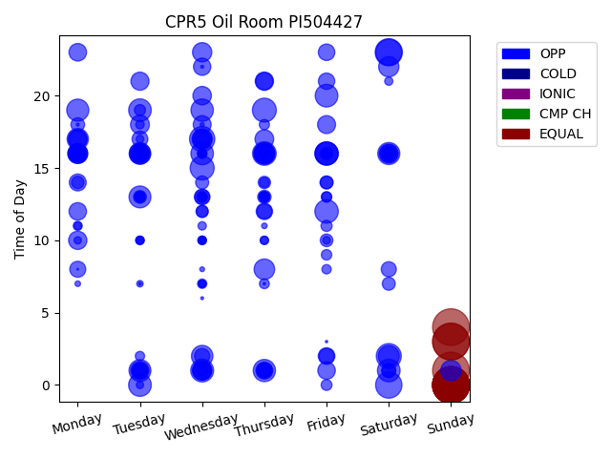
Week Day | Time of Day | Profile | Charge Start
Sunday | 0 | EQUAL | 2022-02-27 | Days Recorded
Sunday | 1 | EQUAL | 2022-02-13 | 76.670138889
Sunday | 0 | EQUAL | 2022-02-06
Sunday | 3 | EQUAL | 2022-04-10 | Equalizations
Sunday | 3 | EQUAL | 2022-03-06 | 11
Sunday | 0 | EQUAL | 2022-02-20
Sunday | 0 | EQUAL | 2022-03-27 | EQs Per Week
Sunday | 0 | EQUAL | 2022-03-13
Sunday | 0 | EQUAL | 2022-01-30
Sunday | 0 | EQUAL | 2022-03-20
Sunday | 4 | EQUAL | 2022-04-03
Saturday | 23 | OPP | 2022-04-09
Saturday | 0 | OPP | 2022-02-05
Saturday | 23 | OPP | 2022-03-05
Wednesday | 17 | OPP | 2022-03-02
Saturday | 2 | OPP | 2022-04-09
Wednesday | 15 | OPP | 2022-03-30
Thursday | 19 | OPP | 2022-02-03
Thursday | 16 | OPP | 2022-03-03
Friday | 12 | OPP | 2022-02-25
Friday | 16 | OPP | 2022-02-18
Friday | 16 | OPP | 2022-03-04
Wednesday | 1 | OPP | 2022-04-06
Friday | 16 | OPP | 2022-02-11
Tuesday | 0 | OPP | 2022-02-22
Friday | 20 | OPP | 2022-04-08
Saturday | 1 | OPP | 2022-03-19
Tuesday | 19 | OPP | 2022-02-01
Wednesday | 16 | OPP | 2022-02-23
Wednesday | 19 | OPP | 2022-02-02
Thursday | 1 | OPP | 2022-04-07
Saturday | 16 | OPP | 2022-02-19
Monday | 19 | OPP | 2022-02-07
...

CPR4
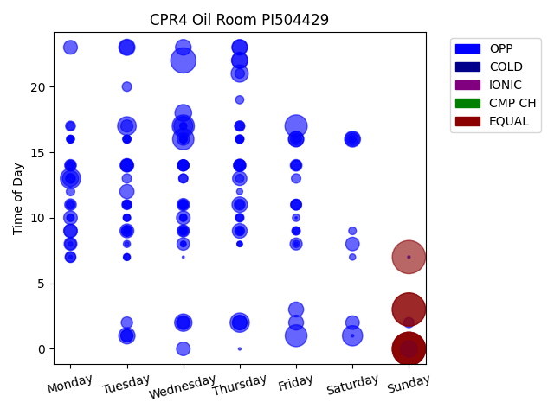
Week Day | Time of Day | Profile | Charge Start
Sunday | 7 | EQUAL | 2022-04-03 | Days Recorded
Sunday | 3 | EQUAL | 2022-03-06 | 51.224305556
Sunday | 0 | EQUAL | 2022-03-20
Sunday | 0 | EQUAL | 2022-02-20 | Equalizations
Sunday | 3 | EQUAL | 2022-03-13 | 7
Sunday | 0 | EQUAL | 2022-02-27
Sunday | 0 | EQUAL | 2022-04-03 | EQs Per Week
Wednesday | 22 | OPP | 2022-04-06
Friday | 17 | OPP | 2022-03-04
Wednesday | 17 | OPP | 2022-02-23
Friday | 1 | OPP | 2022-04-01
Wednesday | 16 | OPP | 2022-02-16
Monday | 13 | OPP | 2022-03-28
Saturday | 1 | OPP | 2022-03-12
Thursday | 2 | OPP | 2022-03-31
Wednesday | 17 | OPP | 2022-03-23
Tuesday | 17 | OPP | 2022-03-22
Wednesday | 2 | OPP | 2022-04-06
Thursday | 21 | OPP | 2022-02-17
Wednesday | 18 | OPP | 2022-03-02
Sunday | 0 | OPP | 2022-03-13
Tuesday | 1 | OPP | 2022-03-15
Thursday | 22 | OPP | 2022-03-10
Tuesday | 23 | OPP | 2022-02-22
Monday | 13 | OPP | 2022-04-04
Saturday | 16 | OPP | 2022-03-12
Wednesday | 23 | OPP | 2022-03-16
Thursday | 22 | OPP | 2022-02-24
Thursday | 23 | OPP | 2022-03-03
Friday | 16 | OPP | 2022-03-11
Thursday | 11 | OPP | 2022-03-17
Thursday | 23 | OPP | 2022-03-24
Friday | 3 | OPP | 2022-04-08
...

Pulled
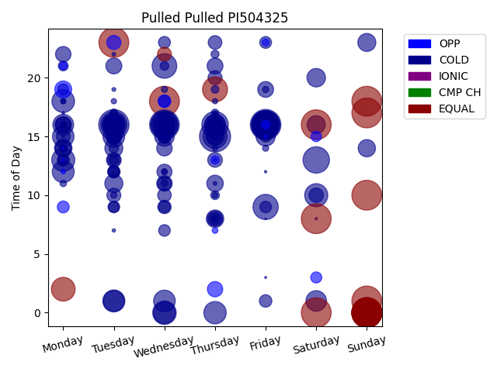
Week Day | Time of Day | Profile | Charge Start
Thursday | 15 | COLD | 2020-04-09 | Days Recorded
Friday | 16 | COLD | 2020-03-20 | 798.80347222
Tuesday | 16 | COLD | 2020-03-24
Wednesday | 18 | EQUAL | 2020-02-05 | Equalizations
Sunday | 0 | EQUAL | 2020-04-26 | 20
Sunday | 0 | EQUAL | 2020-03-22
Sunday | 17 | EQUAL | 2020-10-25 | EQs Per Week
Sunday | 10 | EQUAL | 2020-08-09
Sunday | 0 | EQUAL | 2020-05-17
Sunday | 0 | EQUAL | 2020-03-15
Sunday | 0 | EQUAL | 2020-06-28
Tuesday | 23 | EQUAL | 2020-08-04
Saturday | 0 | EQUAL | 2020-08-08
Sunday | 18 | EQUAL | 2020-08-09
Saturday | 8 | EQUAL | 2020-08-08
Saturday | 16 | EQUAL | 2020-08-08
Sunday | 0 | EQUAL | 2020-11-01
Sunday | 0 | EQUAL | 2020-04-19
Sunday | 1 | EQUAL | 2020-08-09
Sunday | 0 | EQUAL | 2020-03-08
Wednesday | 16 | COLD | 2020-05-27
Friday | 16 | COLD | 2020-09-11
Friday | 16 | COLD | 2020-08-07
Friday | 16 | COLD | 2020-05-29
Wednesday | 16 | COLD | 2020-06-17
Thursday | 16 | COLD | 2020-04-02
Saturday | 13 | COLD | 2020-03-14
Friday | 16 | COLD | 2020-04-17
Tuesday | 16 | COLD | 2020-04-21
Wednesday | 16 | COLD | 2020-08-12
Friday | 9 | COLD | 2020-05-15
Thursday | 19 | EQUAL | 2020-07-30
Wednesday | 21 | COLD | 2020-05-06
...

CA-2
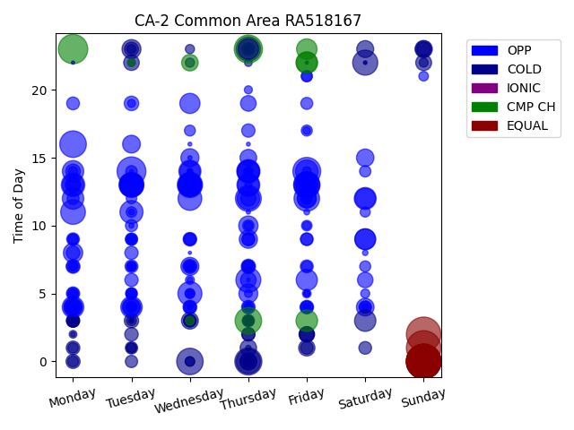
Week Day | Time of Day | Profile | Charge Start
Sunday | 0 | EQUAL | 2016-06-05 | Days Recorded
Sunday | 0 | EQUAL | 2016-05-15 | 2192.7819444
Sunday | 2 | EQUAL | 2022-04-03
Sunday | 1 | EQUAL | 2016-05-08 | Equalizations
Sunday | 0 | EQUAL | 2016-04-17 | 8
Sunday | 0 | EQUAL | 2022-04-10
Sunday | 0 | EQUAL | 2016-05-22 | EQs Per Week
Sunday | 0 | EQUAL | 2016-04-24
Monday | 23 | CMP CH | 2022-04-04
Tuesday | 14 | OPP | 2016-04-19
Thursday | 23 | CMP CH | 2022-04-07
Friday | 14 | OPP | 2016-04-22
Thursday | 0 | COLD | 2022-04-07
Monday | 16 | OPP | 2022-04-11
Thursday | 3 | CMP CH | 2016-06-09
Wednesday | 0 | COLD | 2022-04-13
Friday | 13 | OPP | 2016-04-15
Friday | 13 | OPP | 2016-05-27
Thursday | 12 | OPP | 2016-06-02
Friday | 12 | OPP | 2016-06-03
Wednesday | 13 | OPP | 2016-04-20
Saturday | 22 | COLD | 2022-04-02
Thursday | 6 | OPP | 2016-06-02
Tuesday | 13 | OPP | 2016-05-24
Monday | 11 | OPP | 2016-05-30
Tuesday | 13 | OPP | 2016-06-14
Thursday | 23 | COLD | 2022-03-31
Thursday | 0 | COLD | 2022-04-14
Wednesday | 5 | OPP | 2016-05-18
Wednesday | 12 | OPP | 2016-06-08
Wednesday | 13 | OPP | 2016-05-04
Monday | 13 | OPP | 2016-04-25
Wednesday | 13 | OPP | 2016-06-01
...

CO2-1
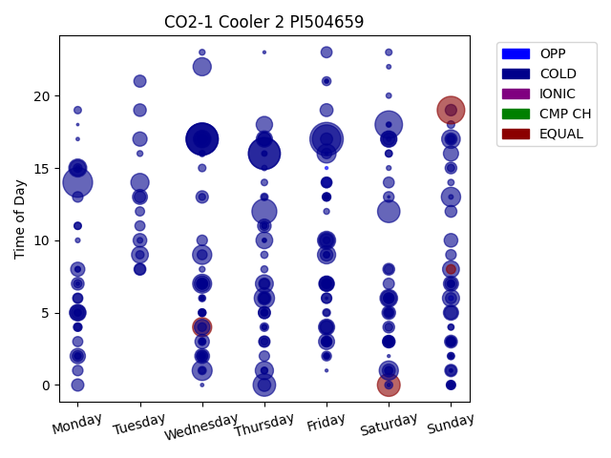
Week Day | Time of Day | Profile | Charge Start
Friday | 17 | COLD | 2016-01-29 | Days Recorded
Wednesday | 17 | COLD | 2016-01-13 | 41.068055556
Wednesday | 17 | COLD | 2016-01-27
Thursday | 16 | COLD | 2016-01-21 | Equalizations
Wednesday | 17 | COLD | 2016-01-20 | 4
Thursday | 16 | COLD | 2016-01-14
Monday | 14 | COLD | 2016-01-18 | EQs Per Week
Friday | 17 | COLD | 2016-01-15
Sunday | 19 | EQUAL | 2016-02-07
Saturday | 18 | COLD | 2016-01-16
Thursday | 12 | COLD | 2016-01-07
Saturday | 0 | EQUAL | 2016-01-16
Thursday | 0 | COLD | 2016-01-21
Saturday | 12 | COLD | 2016-01-23
Thursday | 6 | COLD | 2016-01-07
Wednesday | 1 | COLD | 2016-01-13
Sunday | 13 | COLD | 2016-01-24
Wednesday | 9 | COLD | 2016-01-20
Saturday | 1 | COLD | 2016-02-13
Wednesday | 4 | EQUAL | 2016-01-13
Friday | 16 | COLD | 2016-01-22
Wednesday | 7 | COLD | 2016-01-27
Sunday | 17 | COLD | 2016-02-07
Wednesday | 22 | COLD | 2016-02-10
Tuesday | 14 | COLD | 2016-01-19
Friday | 9 | COLD | 2016-02-12
Thursday | 1 | COLD | 2016-01-28
Friday | 10 | COLD | 2016-01-22
Monday | 15 | COLD | 2016-02-15
Thursday | 7 | COLD | 2016-02-04
Saturday | 6 | COLD | 2016-01-23
Wednesday | 17 | COLD | 2016-02-03
Sunday | 6 | COLD | 2016-01-24
...

CO2-2
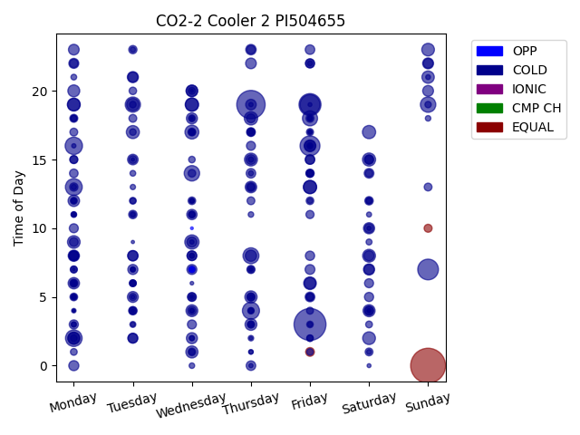
Week Day | Time of Day | Profile | Charge Start
Sunday | 0 | EQUAL | 2022-04-10 | Days Recorded
Friday | 3 | COLD | 2022-04-01 | 26.545833333
Thursday | 19 | COLD | 2022-03-24
Friday | 19 | COLD | 2022-03-25 | Equalizations
Sunday | 7 | COLD | 2022-04-17 | 3
Friday | 19 | COLD | 2022-04-01
Friday | 16 | COLD | 2022-04-15 | EQs Per Week
Monday | 16 | COLD | 2022-04-04
Thursday | 4 | COLD | 2022-04-07
Monday | 13 | COLD | 2022-03-28
Monday | 2 | COLD | 2022-04-04
Thursday | 8 | COLD | 2022-03-24
Sunday | 19 | COLD | 2022-03-27
Wednesday | 14 | COLD | 2022-03-23
Tuesday | 19 | COLD | 2022-04-05
Friday | 18 | COLD | 2022-04-08
Wednesday | 9 | COLD | 2022-03-23
Wednesday | 17 | COLD | 2022-04-06
Friday | 13 | COLD | 2022-03-25
Thursday | 18 | COLD | 2022-04-07
Wednesday | 19 | COLD | 2022-03-23
Saturday | 17 | COLD | 2022-04-09
Saturday | 15 | COLD | 2022-04-02
Wednesday | 19 | COLD | 2022-04-06
Tuesday | 17 | COLD | 2022-04-12
Friday | 13 | COLD | 2022-04-01
Thursday | 15 | COLD | 2022-04-07
Saturday | 8 | COLD | 2022-04-09
Monday | 19 | COLD | 2022-04-04
Saturday | 2 | COLD | 2022-04-02
Sunday | 23 | COLD | 2022-03-27
Monday | 9 | COLD | 2022-04-18
Friday | 6 | COLD | 2022-04-15
...

RTE 1
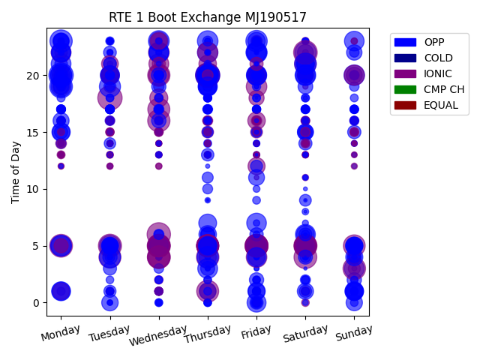
Week Day | Time of Day | Profile | Charge Start
Monday | 20 | OPP | 2022-02-14 | Days Recorded
Tuesday | 18 | IONIC | 2021-10-12 | 691.35347222
Thursday | 20 | IONIC | 2021-12-16
Thursday | 20 | OPP | 2022-12-01 | Equalizations
Saturday | 22 | IONIC | 2022-07-02 | 0
Thursday | 20 | IONIC | 2021-11-11
Wednesday | 6 | IONIC | 2021-12-29 | EQs Per Week
Wednesday | 5 | IONIC | 2022-06-01
Tuesday | 5 | IONIC | 2021-10-12
Saturday | 5 | IONIC | 2022-02-26
Friday | 5 | IONIC | 2021-12-24
Friday | 5 | IONIC | 2022-02-25
Wednesday | 4 | IONIC | 2021-11-17
Monday | 5 | IONIC | 2022-08-01
Saturday | 4 | IONIC | 2021-10-30
Friday | 5 | IONIC | 2021-11-19
Monday | 19 | OPP | 2022-01-24
Wednesday | 4 | IONIC | 2022-03-16
Friday | 5 | IONIC | 2022-12-02
Sunday | 3 | IONIC | 2022-10-02
Thursday | 4 | IONIC | 2021-02-11
Wednesday | 5 | IONIC | 2022-08-03
Monday | 23 | OPP | 2022-02-21
Wednesday | 20 | IONIC | 2022-01-26
Wednesday | 5 | IONIC | 2022-11-02
Wednesday | 16 | IONIC | 2021-12-29
Thursday | 5 | IONIC | 2022-02-24
Saturday | 5 | IONIC | 2021-11-20
Saturday | 5 | IONIC | 2021-12-11
Wednesday | 17 | IONIC | 2022-06-01
Wednesday | 5 | IONIC | 2022-02-23
Friday | 5 | IONIC | 2022-04-01
Thursday | 5 | IONIC | 2021-12-23
...

IQ9
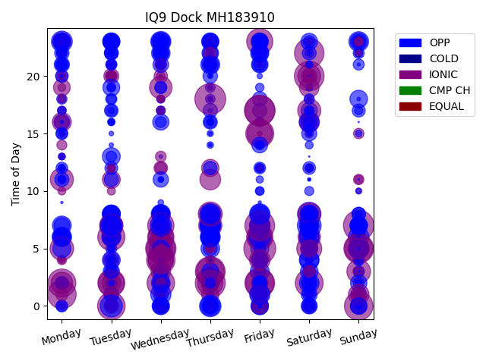
Week Day | Time of Day | Profile | Charge Start
Friday | 5 | IONIC | 2021-12-24 | Days Recorded
Thursday | 18 | IONIC | 2022-04-21 | 693.80625
Sunday | 7 | IONIC | 2021-11-14
Friday | 17 | IONIC | 2022-04-29 | Equalizations
Wednesday | 5 | IONIC | 2021-03-10 | 0
Friday | 17 | IONIC | 2022-04-22
Thursday | 2 | IONIC | 2022-01-27 | EQs Per Week
Thursday | 3 | IONIC | 2021-11-25
Friday | 7 | IONIC | 2022-03-04
Saturday | 20 | IONIC | 2021-04-10
Sunday | 5 | IONIC | 2022-01-23
Friday | 2 | IONIC | 2021-02-12
Saturday | 22 | IONIC | 2021-10-16
Sunday | 0 | IONIC | 2022-01-02
Monday | 1 | IONIC | 2022-08-01
Wednesday | 5 | IONIC | 2021-05-12
Wednesday | 4 | IONIC | 2022-04-20
Friday | 2 | IONIC | 2022-01-28
Monday | 2 | IONIC | 2022-07-04
Friday | 15 | IONIC | 2022-02-04
Sunday | 5 | IONIC | 2021-09-12
Thursday | 3 | IONIC | 2022-09-01
Saturday | 2 | IONIC | 2021-10-23
Tuesday | 0 | IONIC | 2022-04-19
Wednesday | 2 | IONIC | 2022-03-02
Tuesday | 6 | IONIC | 2021-11-23
Tuesday | 2 | IONIC | 2022-03-29
Wednesday | 7 | IONIC | 2022-03-23
Friday | 6 | IONIC | 2021-09-17
Wednesday | 6 | IONIC | 2021-10-13
Friday | 23 | IONIC | 2021-10-15
Tuesday | 2 | IONIC | 2022-03-22
Friday | 15 | IONIC | 2022-12-02
...

Oldie
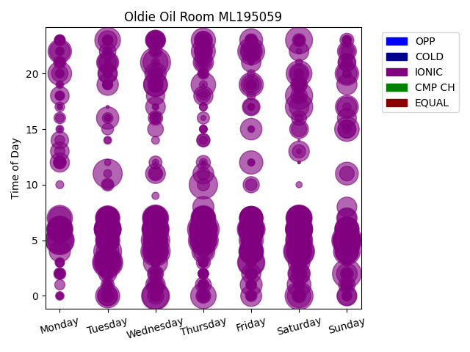
Week Day | Time of Day | Profile | Charge Start
Thursday | 6 | IONIC | 2020-01-02 | Days Recorded
Saturday | 4 | IONIC | 2019-08-17 | 1424.8111111
Tuesday | 3 | IONIC | 2021-09-07
Sunday | 5 | IONIC | 2021-05-16 | Equalizations
Wednesday | 21 | IONIC | 2020-03-04 | 0
Thursday | 5 | IONIC | 2020-02-06
Saturday | 4 | IONIC | 2022-03-26 | EQs Per Week
Wednesday | 4 | IONIC | 2022-01-05
Tuesday | 11 | IONIC | 2019-08-20
Sunday | 2 | IONIC | 2022-03-20
Wednesday | 5 | IONIC | 2021-09-22
Thursday | 10 | IONIC | 2019-10-10
Monday | 5 | IONIC | 2019-02-11
Monday | 5 | IONIC | 2020-11-23
Thursday | 6 | IONIC | 2021-11-11
Tuesday | 3 | IONIC | 2020-06-30
Saturday | 0 | IONIC | 2021-08-14
Wednesday | 0 | IONIC | 2020-03-18
Friday | 6 | IONIC | 2021-06-11
Tuesday | 4 | IONIC | 2022-02-15
Thursday | 6 | IONIC | 2020-04-02
Sunday | 5 | IONIC | 2021-10-17
Saturday | 17 | IONIC | 2021-02-13
Wednesday | 6 | IONIC | 2021-06-02
Friday | 3 | IONIC | 2019-10-18
Saturday | 18 | IONIC | 2020-07-18
Sunday | 5 | IONIC | 2021-08-29
Saturday | 5 | IONIC | 2020-04-25
Sunday | 5 | IONIC | 2020-01-26
Saturday | 6 | IONIC | 2021-07-17
Saturday | 23 | IONIC | 2019-11-23
Sunday | 5 | IONIC | 2021-06-27
Saturday | 6 | IONIC | 2022-02-19
...

error
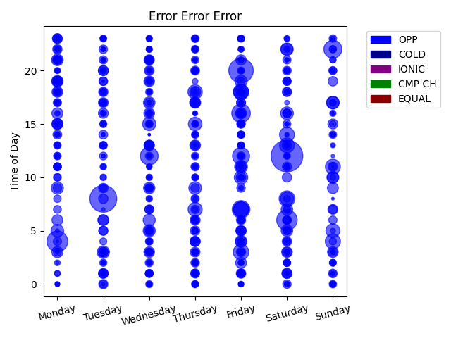
Week Day | Time of Day | Profile | Charge Start
Saturday | 12 | OPP | 2022-04-23 | Days Recorded
Tuesday | 8 | OPP | 2022-10-04 | 334.45069444
Friday | 20 | OPP | 2022-03-04
Monday | 4 | OPP | 2022-04-25 | Equalizations
Saturday | 6 | OPP | 2022-04-16 | 0
Friday | 16 | OPP | 2022-03-04
Sunday | 22 | OPP | 2022-04-17 | EQs Per Week
Wednesday | 12 | OPP | 2022-01-05
Friday | 7 | OPP | 2022-02-04
Friday | 12 | OPP | 2022-03-04
Saturday | 8 | OPP | 2022-04-23
Friday | 3 | OPP | 2022-03-04
Friday | 18 | OPP | 2022-04-22
Sunday | 4 | OPP | 2022-04-17
Friday | 7 | OPP | 2022-03-04
Friday | 18 | OPP | 2022-11-04
Friday | 7 | OPP | 2022-04-15
Sunday | 11 | OPP | 2022-04-17
Saturday | 14 | OPP | 2022-04-16
Saturday | 13 | OPP | 2022-02-05
Thursday | 18 | OPP | 2022-08-04
Thursday | 7 | OPP | 2022-08-04
Sunday | 5 | OPP | 2022-09-04
Friday | 10 | OPP | 2022-03-04
Thursday | 15 | OPP | 2022-08-04
Wednesday | 15 | OPP | 2022-05-04
Saturday | 8 | OPP | 2022-02-05
Saturday | 16 | OPP | 2022-02-05
Friday | 11 | OPP | 2022-11-04
Sunday | 17 | OPP | 2022-12-04
Thursday | 9 | OPP | 2022-04-21
Friday | 18 | OPP | 2022-04-29
Monday | 5 | OPP | 2022-04-04
...

Images Summary










